Intro
Microsoft Excel 2016 for Beginners

Download Excel (and other Office files) from trusted sources only!
It is possible for a downloaded Excel file to "pass" anti-virus software, yet still do terrible damage when you enable a macro.

Table of contents
Parts - learn the real names of Excel workbooks.
Data - Text, numbers, dates, and formulas
Formulas - do math
Functions - use a type of app to do interesting and complicated things.
Autofill - timesaving ways to let Excel populate repeating data.
Put it Together - exercise
PIT answes - answer to previous Tab
Shortcuts - using the keyboard to do awesome things fast.
Arrange data - good design will help keep things straight.
Cursors - identify different cursors and how to navigate a workbook.
Sales - exercise
Sales Answer - answer to previous Tab
Note: click on the Tabs at the bottom of the Excel screen to navigate to different worksheets.

Parts
Parts of Excel

Use this info along with the handout that locates each item.
From the top of the screen to the bottom:
Quick Access Toolbar - Save, Undo Typing, Redo Typing
Title Bar - the name of this workbook.
Ribbon Display Options - today set to "Show Tabs and Commands". Use other options when working on a small display.
Ribbon
Tabs
- File: where the file is saved, who created it, Print, Export.
- Home: basic formatting, most common functions, find & select.
- Insert: create Pivot Tables, Charts. Insert Illustrations (pictures), Text blocks.
- Page Layout: control what the document looks like. Set overall color themes, change margins, print orientation.
- Formulas: get help / look up functions and thier parameters. Name Manager for variable names.
- Data: Sort data.
Column Letters go across. Row numbers go down.
Cell name - (Column Letter, Row Number) Ex: A1
Name Manager - a box in the upper left area, to the right of the formula bar. This tells you which cell is selected.
Formula bar: gives either the contents of the cell, or the formula which created the value.
Vertical and Horizontal scroll bars to view other parts of the work sheet.
Worksheet Tabs - allow user to navigate between worksheets. <Right click> on tab to rename.
Zoom Slider - zoom in to see data better, zoom out to see the whole sheet better.
http://www.customguide.com/cheat_sheets/excel-2016-quick-reference.pdf

General notes

General notes

Look for more information
Arrows
Click on arrows to get drop-down menus or fly out menus. Both types of menus are contextual, meaning they may look different depending on what type of cell you are working in or where you are.

This is an example of a dialog box. Its name will be in the upper left corner of the box.
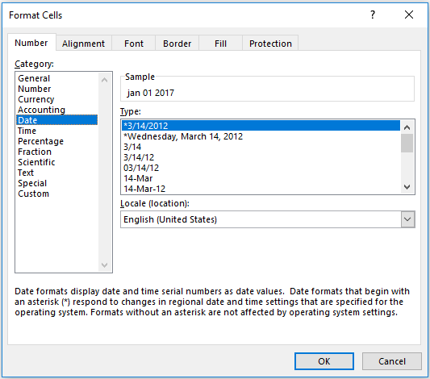

Right click
Most of the times we use the left mouse to select an option or to commit a change.
Try clicking on the right button of the mouse to get more formatting choices. Then left click on the desired option
Note: if you see the word "click", assume it means left click.
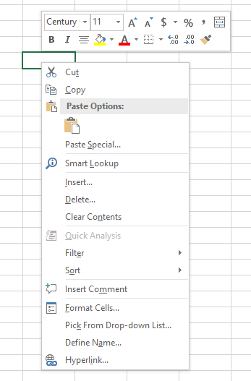

Wheel
Spin the mouse wheel to quickly scroll up or down in the spreadsheet.

Data
Data types - text and numbers

Exercise 2:
Alignment choices are left, centered, or right, as well as top, center, or bottom.
Select one or more cells.
Home > Alignment > then your choice
Exercise 1:
Change font and size: Home > Font
Use drop down arrow to get a list of choices.
or
<right click> on cell for mini-tool bar.
Make the headers (A7 to C7) Bold
Make "Count of animals" red.
Text
merged & centered
Animal | male name | female name
Dogs | Rex | Bridget
Cats | Tom | Fluffy
Turtles | Slow Poke | Speedy
Mouse | Jerry | Minnie
Exercise 4:
Enter new text data by simply clicking on the desired cell and typing. In A12, enter "mo" and wait. Notice how Excel anticipates what you may want to use? (called Flash Fill)
Click Enter to accept, or keep typing to use something else.
Click Tab or Enter to commit data you entered.
Click Esc (escape) to not commit changes.

Count of animals: |  | 4
Exercise 3:
Merging mulitple cells together is great for creating a title for your sheet.
Select two empty tangent (touching) cells.
Home > Alignment > Merge & Center

Numbers
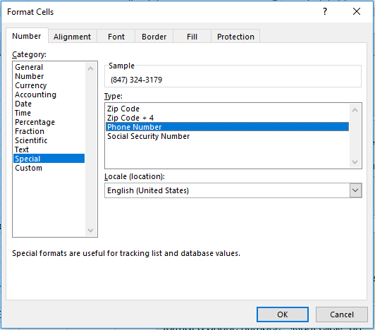
Exercise 5:
In cell A29, limit/truncate the number of decimal places:
Home > Number Then in the drop down arrow, select Number > Decimal places = 2 (or 3)
560 | $560.12

3.3333333333

123.45
Exercise 6:
format a phone number. <Right click> on cell (A33), click on Format Cells.
click on Special, then Phone Number
(see right)
Special formatting window
8473243179

Custom formatting
Dates
Exercise 7:
Formatting dates is similar to formatting numbers <right click> on cell - or -
select cell(s), Home > Number > in drop down box, select Short Date, or Long Date
Jan-17

15-Mar-17 | 16-Mar-17 | 17-Mar-17

A note about dates and times
Excel stores dates and times as numbers.
The number to the left of the decimal is a date, the part to the right of the decimal is the time.
January 01, 1900 formatted as a number is "1".
8am is formated as time, but is really stored as 0.3333 (8 hours is one-third of a day).
Because dates and times are really numbers, Excel can do interesting math on them. We'll touch on this in the Formulas section.
Another Note: different coutries format dates and times differently. Using formats that start with a * (asterisk) allows Excel to figure out which format to use based on where the user is working.
US: DD/MM/YY Europe MM/DD/YY
1900-01-01 | 1900-01-01

8:00:00 | 0.33

Formulas
Formulas - simple calculations

Formulas
- anything that begins with an equal sign is a formula.
- Mathematical operators: ( ) + - * / ^
- operands can be numbers, cell addresses, or a mix of both.
- use the Formulas tab for more options.
- Formulas > Show Formulas - or - <Ctrl `> to display all the formulas in the worksheet. Toggle again to show calculated fields.
Sample data:
2 | 3 | 4 | 6
8 | 10 | 0 | -5

Basic Arithmetic
5 | 0.66666666667 | 0.75
26.666666667

6.4166666667 |  | #DIV/0! |  | 11
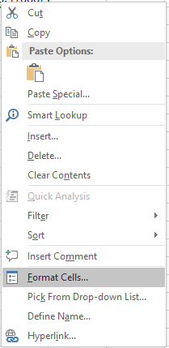
Exercise 1:
In cell B10, enter =2+3/6
In cell B11, enter =2+(3/6)
In cell B12, enter =(2+3)/6
B10 and B11 should have the same value.
Excerise 2:
A10 ends in a repeating value.
Another way to format this is to:
<right click> the cell
in the pop-up window, select
Format Cells.
Click Number
Decimal places = 2
Exercise 3:
press <Ctrl `> to see formulas
press <Ctrl `> again to see
data.
Note: the ` key is above the Tab key.

Exercise 4:
Divide by 0
in a cell, enter =A5/C6
result: #DIV/0! and a green triangle in the corner.
Exercise 5 - ways to enter formulas.
a) type it in. Great if you type well.
Click on desired cell. Type =5+3 and press Enter or Tab.
Notice that as you type, the formula bar is getting filled in.
You can enter / update a formula in either the cell or the formula bar.
b) type and "click it" in.
Click on desired cell. Type = then click on A5, type +, click on C5
press Enter or Tab.
Notice that as you type, the formula bar is getting filled in.
Also, notice the cell names turn the same color as the cell
highlighting

Functions

Remember: A function is like an ATM. You need to "give" it the right information in the correct order, and you will get one thing back.
The "=" is always first, followed by the function name.
Next are a set of parentheses (...) and within those parentheses go the parameters.
Functions

Functions:
- All functions are formulas.
- They all start with an equal sign.
- a function is a called routine which returns one value.
Ex: SUM(B7:B13) will add up all the numbers in that range of cells.
- each function expects a certain number and type of data as input parameters. Some are simple, others are not.

 | 5 |  | 5 |  | 5
 | 4 |  | 4 |  | 4
 | 3 |  | 3 |  | 3
 | 7 |  | 7 |  | 7
 | 4 |  | 4 |  | 4
 | 99 |  | 99 |  | 99
 | 34 |  | 34 |  | 34
Sum: |  | Average: |  | Count:
All fucntions are formulas.
Not all formulas are functions.
How to tell the difference?
A function has a reserved word (all in capitals) following the equal sign.
Max: |  | Min: |  | CountA:

Execise 1:
Click on B14. In this case, we are using the next blank cell at the bottom of a string of numbers we want to do math on.
Click on the epsilon (Greek letter E) in the upper right corner drop down arrow. Click on SUM. Excel looks "up" and then to the "left" to find a bunch of numbers, then uses those addresses to use for the range. In this case (B7:B13)
Use the same logic to have D14 hold the Average, and F14 have the Count.

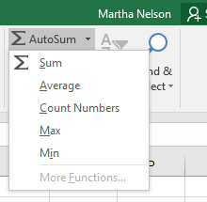
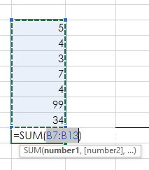

Exercise 2:
Click on B16. Formulas > AutoSum drop down arrow, MAX
Click on D16. Formulas > AutoSum drop down arrow, MIN
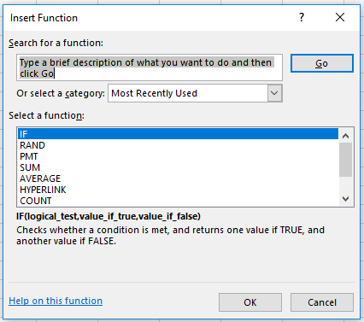

Exercise 3:
Click on F16. Formulas > Insert Funtion. In the pop-up window, type Count in the Search for a function area, and click on the Go button. Note that there are many Count-like functions. Click on COUNTA.
The Function Argument window pops up; change Value1 to be F7:F13, leave Value2 blank.
Also, the Formula Result gives you a preview of the answer.
Click <OK>

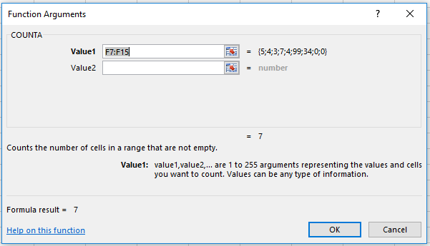

Recap:
There are at least 5 ways to enter a function. Click in the desired cell and do one of the following:
- simply type in the formula in either the cell or the formula bar.
- Home > Editing (all the way on the right side) and the AutoSum drop down arrow. Select a commonly used function.
- Formulas > Insert Function (or Shift + F3). In the Insert Function dialog box, type in some key word, such as count, or payment, and then click Enter. This will bring up a list of functions related to your search term.
- Formulas > Formula Library, and then browse for something useful. Click on something that seems close. This brings up the Insert Function Dialog box that gives a short description about that function.
- Select a range of cells (one row or one column), then click on the Quick Anaylis icon that pops up, then Totals. Select desired function.

Autofill
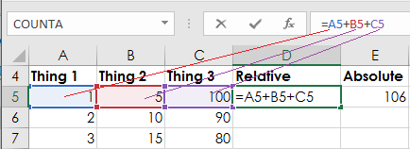
Autofill

Use Fill Handle
1) Select (A5:A7) by
* click on A5
* hold down the Shift key
* click on A7, then release the Shift key
2) Mouse over the handle in lower right corner
until your cursor turns into a little plus sign.
3) Click on the handle, drag the cursor down to
cell A14. Finally release the mouse.
4) Repeat this for Column B and C.
5) Click on D5, then click in the formula bar.
Notice that each operand's color matches that
cell's color. This is handy!
6) Select cells D5:G5, autofill down to row 14. Notice that you can autofill several columns at once.
7) Select A5:A14, release the mouse.
8) Click the Quick Analysis icon.
9) Click Totals, then Sum
10) try out some of the other Quick analysis
options.
Thing 1 | Thing 2 | Thing 3 | Relative | Absolute | Dates | Days
1 | 5 | 100 | 106 | 106 | 2017-01-01 | Monday
2 | 10 | 90
3 | 15 | 80

Click on the formula bar.
Each operand is a different color
so it is easy to see which fields are used.

Put it together
Put it together

Excel at it's best: set up formula or function once, and apply it to other rows or columns.

Name | Mon | Tue | Wed | Thu | Fri | Tot Hours | Wage | Pay
Harry | 8 | 8 | 8 | 8 | 8 |  | 17
Hermoine | 8 | 8 | 8 | 8 | 8 |  | 17
Ron | 7 | 3 | 3 | 14 | 3 |  | 17
Draco | 8 | 8 | 8 | 8 | 8 |  | 15
Dobby | 8 | 8 | 8 | 8 | 8 |  | 10
Bellatrix | 0 | 0 | 0 | 5 | 4 |  | 12
Newt | 0 | 0 | 0 | 4 | 6 |  | 12
Katie | 0 | 0 | 0 | 5 | 4 |  | 15
Sirius | 8 | 8 | 8 | 8 | 8 |  | 14
Lavender | 10 | 6 | 6 | 10 | 4 |  | 15
Quirinus | 4 | 5 | 4 | 5 | 4 |  | 13
hours: |  |  |  |  |  |  | Tot Wage:
 |  |  |  |  |  |  | Avg Wage:

Count of employees:

Exercise:
1) SUM hours from column B into B19, autofill across (horizontally).
2) SUM hours from row 8 into G8, autofill down through G19.
3) In cell I8, calculate Pay by multiplying Tot Hours * Wage.
4) Format Pay to be dollars. Autofill down to I19
5) Sum all Pay in cell I19
6) Calculate Average Wage in cell I20
7) Calculate Count of employees in cell D22
8) Give your sheet a title by selecting a few cells, merging them together.
9) Make the title text a larger font, change the cell color to your choice.
Merging cells allows for a bigger space for report titles and other information.
How to Merge cells:
- select 2 or more contiguous cells (Ex 2 across, and 2 down)
- Home > Alignment > Merge & Center down arrow > Merge Across

Shortcuts
Shortcuts

In all MS Office products, there are many different ways of doing the same thing.
Ex: make something Bold
Click on cell and do one:
- Home > Font > B
- <right click> cell, click on the B in the tiny-toolbar.
- click <Ctrl B> (*** hold down the Ctrl key with one finger, press the B key once, then release the Ctrl key.
There are several hundred keyboard shortcuts. Here are the most popular:
Ctrl c = copy
Ctrl x = cut (notice the marching ants around the border).
Ctrl v = paste
Ctrl s = save
Ctrl p = print
Ctrl z = undo
Refer to the Quick Refernce Card for more choices.
test | apples | oranges
test2 | limes | kiwi
test3 | bananas | onions

Arrange
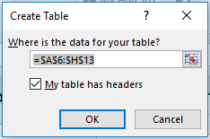
Arrange Data

 | Area Library Contact Info
Name | Address | City | State | Zip | Director | Website | Phone
Skokie Public Library | 5215 Oakton St | Skokie | IL | 60077 | Richard Kong | https://skokielibrary.info/ | 8476737774
Edgebrook Branch, Chicago Public Library | 5331 W Devon Ave | Chicago, IL 60646 | IL | 60646 | Brian Bannon | https://www.chipublib.org/locations/27/ | 3127448313
Cook County Law Library | 5600 Old Orchard Rd # 200 | Skokie | IL | 60077 | Montell Davenport | https://www.cookcountyil.gov/agency/law-library | 8474707298
Morton Grove Public Library | 6140 Lincoln Ave | Morton Grove | IL | 60053 | Pamela Leffler | http://www.mgpl.org/ | 8479654220
Evanston Public Library | 300 Dodge Ave | Evanston | IL | 60202 | William Latham | https://www.epl.org/ | 8474488260
Niles Public Library District | 6960 W Oakton St | Niles | IL | 60714 | Susan Dove Lempke | http://www.nileslibrary.org/ | 8476631234
Des Plaines Public Library | 1501 Ellinwood Street | Des Plaines | IL | 60016 | Holly Richards Sorensen | http://dppl.org | 8478275551

1) Select data (A6:H13). Change font to Arial 10. Remove any Bold or Italics.
2) Select Column H and format special the phone numbers to (999) 999-9999 format.
3) Select library names (A7:A13) and make them red.
4) Select row 6 and make them Bold. Also, use a 14pt font.
Extra credit:
Select all data (A6:H13). Make the data into a Table by Insert > Table. Check the header box.
Sort the data by City name.
Sort the data by Zip Code

Cursors
Cursors and Worksheet navigation

General pointer for selecting cells.
To Select one cells: <Left Click> once on desired cell
To Select many cells:
Find one cell in the corner of the cell range.
<Left Click> and keep left mouse button down.
Drag mouse to opposite corner of cell range.
<Release> mouse (finger up).

Resize arrow
Put cursor between two columns (or two rows.)
<Left Click> and hold mouse down, and move cursor to the right or left to resize the column (or row).

Fill Pointer
Select a cell or a range of cells
The "skinny cross" appears when you hover over the
bottom right corner of the range.
<Left click> on fill handle, drag cursor in the direction
you want to fill.

Insertion pointer or I-Beam
Allows you to insert text.
Appears in the Formula Bar and in Text Boxes

4 point arrow
Allows you to move something.
Click on an edge of a cell or a handle of a picture,
<left click> and hold, move cursor to desired spot,
<release> mouse.

Quick Analysis icon
Select a column of data. (Cells that have thing in
them). The Quick Analysis Icon will pop up.
Click on it to see recommended Charts, Pivot Tables, etc.

<Enter> Commits cell change and selected cell moves down.
<Tab> Commits cell change and selected cell moves across.
<arrow> moves cursor up, down, right, or left by one cell.
<Home> moves cursor to column A in current row.
<Ctrl Home> moves cursor to cell A1
Page Up Cell one full screen up in the same column.
Page Down moves cell one full screen down in the same column.
<Ctrl End> or End, Home the last cell of the active area of the worksheet.

Sales
Sales

1) Format column B to use $ sign.
Note: COGS is Cost of Goods Sold.
2) Calculate Net (col D) by subtracting C from B. Autofill the calculation down the rows.
3) Calculate Profit pct is Net / Gross Sales, format with %
4) In row 15, create a "Totals" row. Use SUM.
5) Select A4:B14. Look for QAT to pop-up.
6) Click on the Quick Analysis Tools > Charts > Clustered.
7) Move the chart to somewhere conveninent. Notice the new Chart Tools tabs appear!
Product | Gross Sales | COGS | Net | profit pct
Trees | 45800 | 23881
Shrubs | 28110 | 14945
Vegetables | 74965 | 34204
Annual Flowers | 103802 | 38009
Perennial flowers | 45022 | 38534
Grass Seed | 1539 | 1104
Hand Tools | 39012 | 10490
Fertilizer | 8944 | 1098
Hoses | 16389 | 7608
Containers | 8208 | 4100
Totals:

Sales Answer
Sales - possible answers

Product | Gross Sales | COGS | Net | profit pct
Trees | 45800 | 23881 | $21,919 | 48%
Shrubs | 28110 | 14945 | $13,165 | 47%
Vegetables | 74965 | 34204 | $40,761 | 54%
Annual Flowers | 103802 | 38009 | $65,793 | 63%
Perennial flowers | 45022 | 38534 | $6,488 | 14%
Grass Seed | 1539 | 1104 | $435 | 28%
Hand Tools | 39012 | 10490 | $28,522 | 73%
Fertilizer | 8944 | 1098 | $7,846 | 88%
Hoses | 16389 | 7608 | $8,781 | 54%
Containers | 8208 | 4100 | $4,108 | 50%
Totals: | 371791 | 173973 | 197818 | 53%

