Networth
Net Worth statement
Net Worth worksheet

Month: | Apr | May | Jun | Jul | Aug | Sep

ASSETS
Checking Account | $4,503.13
Savings Account
401(k)
IRAs
Other Investments
House
Other Real Estate
Total Assets | $4,503.13

LIABILITIES
Mortgage | $1,400.00
Student Loans
Car Loan
Credit Card 1
Credit Card 2
Other debt 1
Other Debt 2
Total Liabilities | $1,400.00

Net Worth | 3,103.13

Month-to-month change:

Networth Answer
Net Worth statement
Net Worth worksheet

My Net Worth
 | Net Worth |  | Month-to-month change:
 | 490.00 | $-
 | (350.00) | $- | -840
 | 700.00 | $- | 1050
 | 900.00 | $- | 200
 | 900.00 | $- | 0
 | 1,400.00 | $- | 500
Month: | Apr | May | Jun | Jul | Aug | Sep

ASSETS
Checking Account | $100.00 | $150.00 | $300.00 | $400.00 | $400.00 | $500.00
Savings Account | $100.00 | $150.00 | $300.00 | $400.00 | $400.00 | $800.00
401(k) | $100.00 | $150.00 | $300.00 | $300.00 | $300.00 | $300.00
IRAs | $100.00 | $150.00 | $300.00 | $300.00 | $300.00 | $300.00
Other Investments | $100.00 | $150.00 | $300.00 | $300.00 | $300.00 | $300.00
House | $100.00 | $150.00 | $300.00 | $300.00 | $300.00 | $300.00
Other Real Estate | $100.00 | $150.00 | $300.00 | $300.00 | $300.00 | $300.00
Total Assets | $700.00 | $1,050.00 | $2,100.00 | $2,300.00 | $2,300.00 | $2,800.00

LIABILITIES
Mortgage | $30.00 | $200.00 | $200.00 | $200.00 | $200.00 | $200.00
Student Loans | $30.00 | $200.00 | $200.00 | $200.00 | $200.00 | $200.00
Car Loan | $30.00 | $200.00 | $200.00 | $200.00 | $200.00 | $200.00
Credit Card 1 | $30.00 | $200.00 | $200.00 | $200.00 | $200.00 | $200.00
Credit Card 2 | $30.00 | $200.00 | $200.00 | $200.00 | $200.00 | $200.00
Other debt 1 | $30.00 | $200.00 | $200.00 | $200.00 | $200.00 | $200.00
Other Debt 2 | $30.00 | $200.00 | $200.00 | $200.00 | $200.00 | $200.00
Total Liabilities | $210.00 | $1,400.00 | $1,400.00 | $1,400.00 | $1,400.00 | $1,400.00

Net Worth | 490.00 | (350.00) | 700.00 | 900.00 | 900.00 | 1,400.00

Month-to-month change: |  | ($840.00) | $1,050.00 | $200.00 | $0.00 | $500.00

Tips:
Change the column width to automatically fit the contents -
1) Select the column(s) you want to change.
2) Home > Cells > Format
3) Under Cell Size, click AutoFit Column Width.
Optional - test to see if cell is empty.
In the Total Assets row, use the IF function to help format the data.
=IF(SUM(C9:C15)=0,"",SUM(C9:C15))
If there is no asset data, then the Total Assets will be blank, else use the sum of all the assets.

Wedding
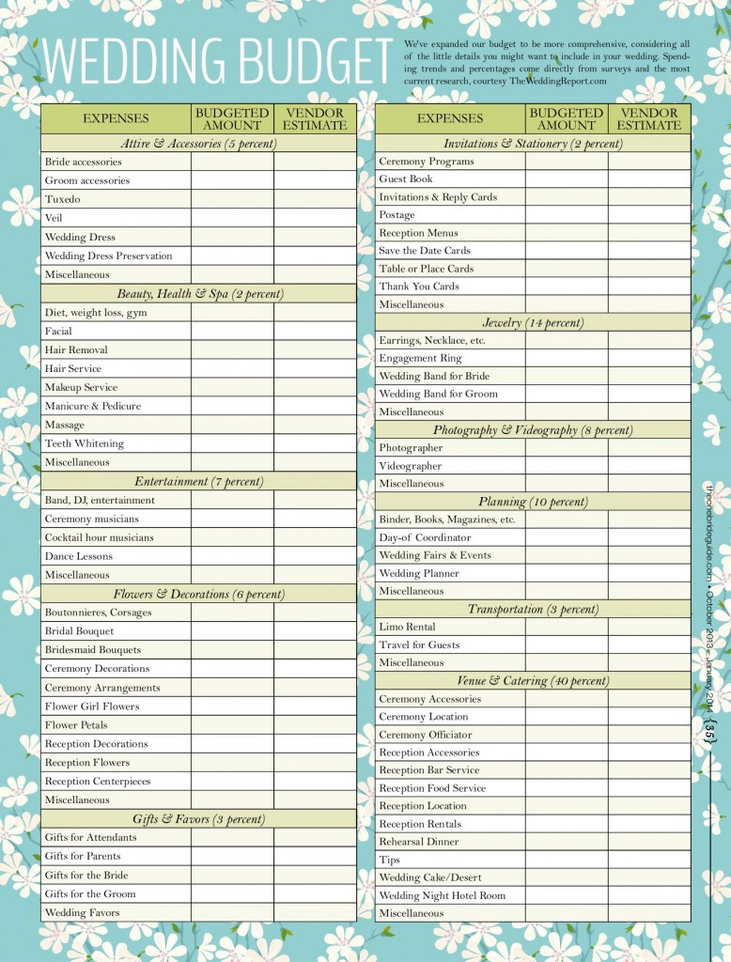
← Defined name variable here
Category | Percent of budget | Budgeted Amount | Actual Cost | Difference | pct
Attire | 0.05 | 750 | 850 | -100 | 113.33333333 | Our overall budget is:
Beauty, Health & Spa | 0.02 |  |  |  |  | $15,000.00
Entertainment | 0.07
Flowers & Decoration | 0.06
Gifts & Favors | 0.03
Invitations & Stationary | 0.02
Jewelry | 0.14
Photo and Videography | 0.08
Planning | 0.1
Transportation | 0.03
Venue and Catering | 0.4
Sum

Tips:
Use <Alt Enter> to split column headings over multiple lines.
To show all the formulas, use (Cntrl ~) or: Formulas > Formula Auditing > Show Formulas
Put a border around the data, select the data and do: Home > Font > The little window drop down arrow
Add header to the report, with a report title and date printed. Insert > Header & Footer. Click the left, center, or right box at the top of the worksheet and add the information you want.
To add a text box: Insert > Text (all the way on the right side) > Text Box
To print the gridlines, Page Layout > Sheet Options > Gridlines
To have text flow over mulitple neighboring cells: Insert > Alignment > Merge & Center
Data compiled by: TheWeddingReport.com

Wedding Answer
Category | Percent of budget | Budgeted Amount | Actual Cost | Difference | pct
Attire | 5.00% | $750.00 | $720.00 | $30.00 | 96%
Beauty, Health & Spa | 2.00% | $300.00 | $360.00 | ($60.00) | 120%
Entertainment | 7.00% | $1,050.00 | $998.00 | $52.00 | 95%
Flowers & Decoration | 6.00% | $900.00 | $773.00 | $127.00 | 86%
Gifts & Favors | 3.00% | $450.00 | $200.00 | $250.00 | 44%
Invitations & Stationary | 2.00% | $300.00 | $450.00 | ($150.00) | 150%
Jewelry | 14.00% | $2,100.00 | $3,000.00 | ($900.00) | 143%
Photo and Videography | 8.00% | $1,200.00 | $900.00 | $300.00 | 75%
Planning | 10.00% | $1,500.00 | $45.00 | $1,455.00 | 3%
Transportation | 3.00% | $450.00 | $500.00 | ($50.00) | 111%
Venue and Catering | 40.00% | $6,000.00 | $7,250.00 | ($1,250.00) | 121%
Sum | 100.00% | $15,000.00 | $15,196.00 | ($196.00) | 101%


 | Our overall budget is: |  | $15,000.00

Wedding Cost
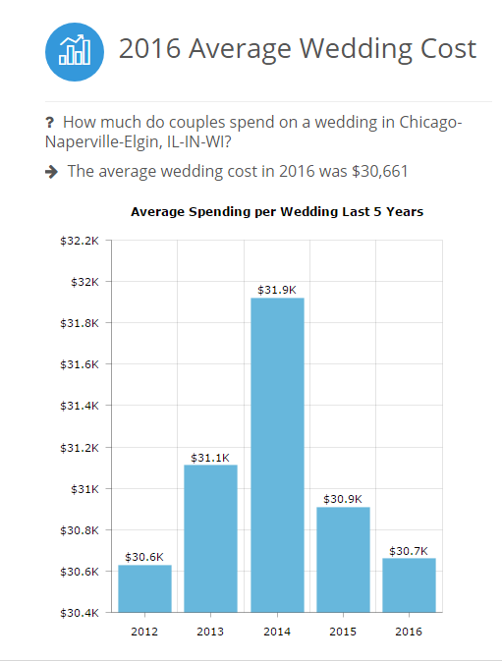

Source: https://www.theweddingreport.com/index.cfm/action/wedding_statistics/view/market/id/16980/idtype/m/location/Chicago_Naperville_Elgin__IL_IN_WI/

Functions
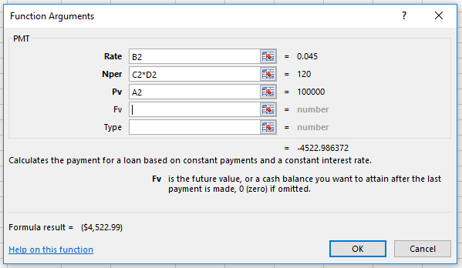
Amount | rate | years | periods
$100,000.00 | 0.045 | 10 | 12 | PMT

Math
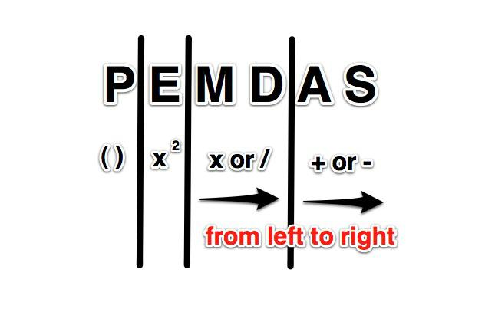
Rounding vs. Formatting numbers

Exercise #1 – Math tab
Rounding changes the values.
Formatting keeps the values but changes how the data looks.

Round | 10 | 3 | 3.33 |  | Format | 10 | 3 | 3.33
 | 10 | 3 | 3.33 |  |  | 10 | 3 | 3.33
 |  | Sum: | 6.66 |  |  |  | Sum: | 6.67

Variations: ROUNDUP, ROUNDDOWN |  |  |  | click on D14 and D15 to see
Roundup | 10 | -3 | -3.34
Rounddown | 10 | -3 | -3.33

How Excel performs mathmatical operations

Exercise #2 – Math tab |  |  |  | Practice entering different formulas

Interest
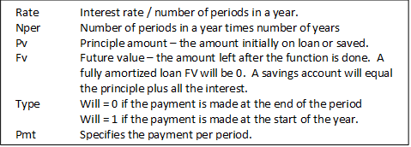

PMT = (rate, nper, pv, [fv], [type]) |  |  | A) Compare car loans
 | Rate | 6% |  | Opt #1 | Opt #2 | Opt #3
 | Nper | 240 | Car Price | $24,000.00 | $22,000.00 | $22,000.00
 | pv | $200,000.00 | years | 5 | 4 | 5
 | fv | 0 | rate | 0.00% | 4.23% | 4.16%
 | type | 0 | Pmt |  |  |  | =PMT(G13/12,G12*12,G11)
 | PMT | ($1,432.86) | tot cost: | $0.00 | $0.00 | #VALUE!

RATE = (nper,pmt,pv,[fv],[type],[guess]) |  |  | B) Find the rates of the loan
(may need to mulitply by 12) |  |  |  | Opt #1 | Opt #2 | Opt #3
 | Nper | 240 | Nper | 1 | 48 | 24
 | pmt | ($1,432.86) | pmt | (225.00) | (500.00) | (15.00) | < must be negative!
 | pv | $200,000.00 | pv | 200 | 22000 | 200
 | fv | 0 | fv | 0
 | type | 0 | type | 0
 | RATE | 6% | RATE |  |  |  | < format 2 places

 | APR = Annual Percentage Rate |  | Days in future = |  | 25
 | EAR = Effective Annual Rate |  | Check Amount = |  | 250 |  | FV
 |  |  | You get today = |  | 200 |  | PV
Calculator: http://tcalc.timevalue.com/ |  |  | 25 day rate = |  | 0.25 |  | Calc Period Rate
 |  |  | Days in year = |  | 365
 |  |  | # of periods in a year: |  | 14.6
This is a "payday" loan |  |  | APR = |  | 365%
 |  |  | EAR = |  | 2499% |  | oww

http://ms-office.wonderhowto.com/how-to/calculate-interest-rates-for-payday-loans-ms-excel-350124/

NPER = (rate,pmt,pv,[fv],[type]) |  |  | C) find how many months it will take to pay off a student loan?

 | rate | 0.06 |  | rate | 4.29% | 5.84% | 6.84%
 | pmt | ($1,432.86) |  | pmt | ($300.00) | ($300.00) | ($300.00)
 | pv | $200,000.00 |  | pv | 25,432 | 25,432 | 25,432
 | fv | 0 |  | fv | 0 | 0 | 0
 | type | 0 |  | type | 0 | 0 | 0
 | NPER | 240.00068434 |  | NPER

PV = (rate, Nper, pmt, fv) |  |  | D) How much can I borrow if I know my monthly payments ?

 | rate | 0.06 |  | rate | 4.93% | 4.93% | 4.93%
 | nper | 240 |  | nper | 72 | 72 | 360
 | pmt | ($1,432.86) |  | pmt | ($500.00) | ($700.00) | ($10,000.00)
 | fv | 0 |  | fv | 0 | 0 | 0
 | PV | $199,999.70 |  | PV

FV = (rate, Nper, pmt, pv) |  |  | E) I put money in a savings account, and only accumulate interest.

 | rate | 6.00% |  | rate | 3.10% | 3.10% | 3.10%
 | nper | 120 |  | nper | 60 | 12 | 24
 | pmt | 0.00 |  | pmt | 0 | 0 | 0
 | pv | $200,000.00 |  | pv | 5000 | 5000 | 5000
 | FV | ($363,879.35) |  | FV

http://ms-office.wonderhowto.com/how-to/calculate-interest-rates-for-payday-loans-ms-excel-350124/

