Chart Elements
Chart elements

There are many ways to do the same thing in Excel!
Every chart is made of some combination of elements. Most elements can change color, font, background, depending on their type:
Axes (plural of axis) most charts have two - a horizontal (or x-axis) and a vertical (or y-axis)
Axis Titles The title for each axis
Chart Title A short description for all the data. The default placement is at the top of the chart, but it can be manually repositioned. A title can have a different background, a frame of different thicknesses.
Data Labels - a little number in the chart that represents the data.
Data Table - a table (rows and columns) underneath the chart that shows the data of the chart.
Error Bars - a way to show the Standard Deviation, Percentage, or Standard Error of the data.
Gridlines the horizontal lines behind the displayed data. Can be turned off, or line thinness and color changed
Legend - a color coordinated way of tying meaning to the data. In this case, the legend is at the bottom (Gas, Electric...). It can also be placed in the top, bottom, left or right of the data.

Chart Title
 | Gas | Electric | Plumbing | Painting | Electrical | Rugs | Cleaning
1-A | 70 | 90 | 125 |  | 160
1-B | 70 | 90 |  | 200 |  |  | 40
1-C | 70 | 90 |  |  |  | 400
2-A | 70 | 90
2-B | 70 | 90 | 150 |  |  |  | 40
2-C | 70 | 90
3-A | 70 | 90
3-B | 70 | 90 |  | 200 |  |  | 40
3-C | 70 | 90 | 200 |  |  |  | 40

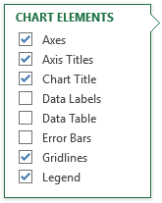
Click on the chart above
Click on little plus sign that just appeared on the right side.
The Chart Element selector pops up.
Try checking and unchecking elements just for fun.
Hover your mouse over each element and see what happens.
When you mouse over an element, click on the little arrow on the right side. More choices! We'll cover many of these choices later in the class.

Many elements can have a frame around them. This means:
- you can change the line color, type, and thickness of the frame.
- you can "fill" the contents of the fram with a color (solid or gradient), or a picture. You can control the fill transparency

Also, right click on any element in the chart.
That element will show it is selected by little circles in the corners.
In the pop-up window, you can change the color, file, size.
Again, there are many ways to control the same elements in Excel.

First graph
First graph

https://www.gcflearnfree.org/excel2016/charts/1/

 | Genre | January | February | March | April | May
 | Classics | $18,580 | $49,225 | $16,326 | $10,017 | $26,134
 | Mystery | $78,970 | $82,262 | $48,640 | $49,985 | $73,428
 | Romance | $24,236 | $131,390 | $79,022 | $71,009 | $81,474
 | Sci-Fi & Fantasy | $16,730 | $19,730 | $12,109 | $11,355 | $17,686
 | Young Adult | $35,358 | $42,685 | $20,893 | $16,065 | $21,388

Stacked column and bar
Stacked Column and Bar Charts

Landlord expense tracking March 2017
Unit | Gas | Electric | Plumbing | Painting | Electrical | Rugs | Cleaning | total expenses | total rent
1-A | 70 | 90 | 125 |  | 160 |  |  | 445 | 1000
1-B | 70 | 90 |  | 200 |  |  | 40 | 400 | 1100
1-C | 70 | 90 |  |  |  | 400 |  | 560 | 1200
2-A | 70 | 90 |  |  |  |  |  | 160 | 1300
2-B | 70 | 90 | 150 |  |  |  | 40 | 350 | 1400
2-C | 70 | 90 |  |  |  |  |  | 160 | 1500
3-A | 70 | 90 |  |  |  |  |  | 160 | 1600
3-B | 70 | 90 |  | 200 |  |  | 40 | 400 | 1700
3-C | 70 | 90 | 200 |  |  |  | 40 | 400 | 1800
total: | 630 | 810 | 475 | 400 | 160 | 400 | 160 | 3035 | 12600
A Stacked Column chart
Landlord expense tracking March 2017
 | Gas | Electric | Plumbing | Painting | Electrical | Rugs | Cleaning
1-A | 70 | 90 | 125 |  | 160
1-B | 70 | 90 |  | 200 |  |  | 40
1-C | 70 | 90 |  |  |  | 400
2-A | 70 | 90
2-B | 70 | 90 | 150 |  |  |  | 40
2-C | 70 | 90
3-A | 70 | 90
3-B | 70 | 90 |  | 200 |  |  | 40
3-C | 70 | 90 | 200 |  |  |  | 40
Landlord expense tracking March 2017
 | 1-A | 1-B | 1-C | 2-A | 2-B | 2-C | 3-A | 3-B | 3-C
Gas | 70 | 70 | 70 | 70 | 70 | 70 | 70 | 70 | 70
Electric | 90 | 90 | 90 | 90 | 90 | 90 | 90 | 90 | 90
Plumbing | 125 |  |  |  | 150 |  |  |  | 200
Painting |  | 200 |  |  |  |  |  | 200
Electrical | 160
Rugs |  |  | 400
Cleaning |  | 40 |  |  | 40 |  |  | 40 | 40

A 3D Stacked Column chart with switch Row/Column

Landlord expense tracking March 2017
 | Gas | Electric | Plumbing | Painting | Electrical | Rugs | Cleaning
1-A | 70 | 90 | 125 |  | 160
1-B | 70 | 90 |  | 200 |  |  | 40
1-C | 70 | 90 |  |  |  | 400
2-A | 70 | 90
2-B | 70 | 90 | 150 |  |  |  | 40
2-C | 70 | 90
3-A | 70 | 90
3-B | 70 | 90 |  | 200 |  |  | 40
3-C | 70 | 90 | 200 |  |  |  | 40
 | Gas | Electric | Plumbing | Painting | Electrical | Rugs | Cleaning
1-A | 70 | 90 | 125 |  | 160
1-B | 70 | 90 |  | 200 |  |  | 40
1-C | 70 | 90 |  |  |  | 400
2-A | 70 | 90
2-B | 70 | 90 | 150 |  |  |  | 40
2-C | 70 | 90
3-A | 70 | 90
3-B | 70 | 90 |  | 200 |  |  | 40
3-C | 70 | 90 | 200 |  |  |  | 40
3D Clustered Bar,
Chart Tools Design,
Quick Layout
A Stacked Bar Chart

Expense to profit ratio
3D 100% Stacked columns
1 Select the entire table, including the total expenses and total rent columns. Create a 3D 100% stacked column chart as usual.
2 Move your mouse over to the right side of chart to get the 3 buttons to appear. Click on the Chart Filters button.
3 Deselect the "gas" through "cleaning" fields. Now you will only see the total expenses and total rent fields.
4 On the Chart Tools > Design > Data, click on "Select Data". Now click on "Edit" and scroll down to the last two fields, in this case Series8 and Series9.
5 Click on the first field you want to update (Series8), click on Edit. Now give the series a new name, press OK. Repeat for Series9.

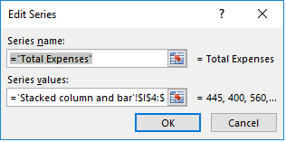
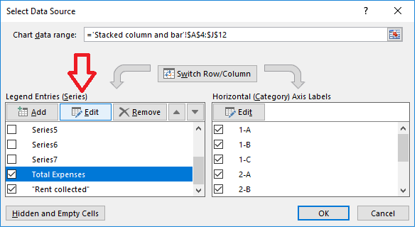
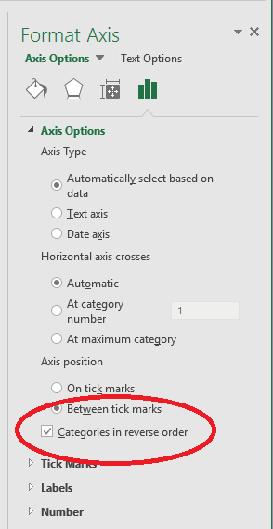

Sometimes you want the series to be A-Z, other times Z-A. In the Format Axis box, check this box to see how the data is presented.

Line
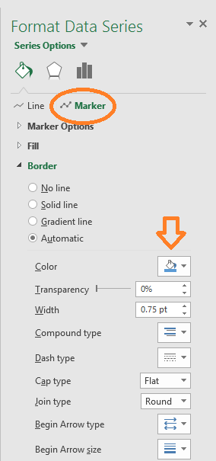
Line Charts, with and without markers

Tracking Vital measurements

Name: | John Smith
Target pressure:

Date | Time | Date / time | Systolic | Diastolic | heart rate | recommended systolic | recommended diastolic
2017-02-15 | 8:00:00 | 02/15/17 08:00 AM | 129 | 79 | 72 | 120 | 80
2017-02-15 | 12:00:00 | 02/15/17 12:00 PM | 133 | 80 | 75 | 120 | 80
2017-02-15 | 19:45:00 | 02/15/17 07:45 PM | 142 | 85 | 77 | 120 | 80
2017-02-16 | 7:40:00 | 02/16/17 07:40 AM | 128 | 74 | 70 | 120 | 80
2017-02-16 | 12:30:00 | 02/16/17 12:30 PM | 137 | 82 | 78 | 120 | 80
2017-02-17 | 8:05:00 | 02/17/17 08:05 AM | 119 | 79 | 77 | 120 | 80
2017-02-18 | 17:00:00 | 02/18/17 05:00 PM | 140 | 82 | 76 | 120 | 80

Systolic: | 120 | Diastolic: | 80
To rotate the date/time axis:
1 Right-click on the date/time labels, the "Format Axis" options pop-up on the right side of the screen.
2 click on Axis Options
3 click on the Size & Properties icon
4 click on Text direction's down arrow to choose new way to rotate text.
Tracking Vital measurements

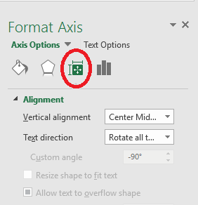

Line with markers
In this example, the data lines have markers (little dots), and the recommended numbers are simple lines.
1 Right-click the "recommended" line, and selected "Format Data Series".
2 Click the button with the paint can icon
3 Click the "Marker" button.
4 Expand the "Marker Options" section.
5 Select the "Built-In" option.
6 In the "Type" list, chose the type of marker (or no marker) you want to use.
7 In the "Size" list, select the size of the markers.
8 Make other customizations to the markers as desired. Change color, etc.

Bar and Line
Bar and Line charts

Sales Report over 2 years, in units
Sales Report over 2 years, in units

Item | 2014 | 2015 | % change
Science Fiction | 466 | 700 | 33%
Satire | 3002 | 3502 | 14%
Romance | 2051 | 2473 | 17%
Mystery | 720 | 775 | 7%
Horror | 356 | 376 | 5%
Self Help | 855 | 730 | -17%
Health | 1204 | 1147 | -5%

Bar and Line charts are useful to display two different types of information. Here I show two years of sales and the percentage of growth between those years.

Pie
Pie Charts

`
Pie Charts show percentages of a whole.
To update the wedge color to match the favorite color, double-click on the legend's color, note the blue dots around the selected item.
Now, right click the item, select the desired color and click the Fill button.
Pie Chart
Favorite Color
Color | Count
Blue | 75
Black | 39
Red | 38
Green | 32
Orange | 18
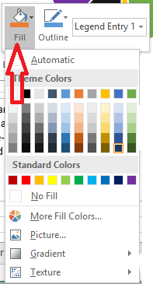
Purple | 15
Yellow | 10
total: | 227

Favorite Color
Pie of Pie

with .75 pt wide line around the border

Stock prices
Stock Price Chart

Alphabet stock prices
Alphabet stock prices
Date | Open | High | Low | Close | Volume
2017-02-16 | 819.93 | 824.4 | 818.98 | 824.16 | 1,281,724
2017-02-15 | 819.36 | 823 | 818.47 | 818.98 | 1,313,617
2017-02-14 | 819 | 823 | 816 | 820.45 | 1,054,732
2017-02-13 | 816 | 820.96 | 815.49 | 819.24 | 1,213,324
2017-02-10 | 811.7 | 815.25 | 809.78 | 813.67 | 1,134,976
2017-02-09 | 809.51 | 810.66 | 804.54 | 809.56 | 990,391
2017-02-08 | 807 | 811.84 | 803.19 | 808.38 | 1,155,990
2017-02-07 | 803.99 | 810.5 | 801.78 | 806.97 | 1,241,221
2017-02-06 | 799.7 | 801.67 | 795.25 | 801.34 | 1,184,483
2017-02-03 | 802.99 | 806 | 800.37 | 801.49 | 1,463,448
2017-02-02 | 793.8 | 802.7 | 792 | 798.53 | 1,532,138
2017-02-01 | 799.68 | 801.19 | 791.19 | 795.7 | 2,029,744
2017-01-31 | 796.86 | 801.25 | 790.52 | 796.79 | 2,160,556
2017-01-30 | 814.66 | 815.84 | 799.8 | 802.32 | 3,246,573
2017-01-27 | 834.71 | 841.95 | 820.44 | 823.31 | 2,965,771
2017-01-26 | 837.81 | 838 | 827.01 | 832.15 | 2,973,891
2017-01-25 | 829.62 | 835.77 | 825.06 | 835.67 | 1,627,304
2017-01-24 | 822.3 | 825.9 | 817.82 | 823.87 | 1,474,010

https://www.extendoffice.com/documents/excel/2138-excel-create-stock-chart.html

Gant
Gant Charts

 | New Web Page Implementation
 | task | Start Date | days | End date
Design | Meet with user | 2/12/17 | 1 | 2017-02-13
Design | Create specs | 2/13/17 | 2 | 2017-02-15
Design | Get user design sign-off | 2/20/17 | 2 | 2017-02-22
Code | Hire photographer | 2/21/17 | 1 | 2017-02-22
Code | Gather content from users | 2/21/17 | 10 | 2017-03-03
Code | Create prototype | 2/21/17 | 3 | 2017-02-24
Code | Code | 2/27/17 | 5 | 2017-03-04
Test | mobile browsers | 3/4/17 | 4 | 2017-03-08
Test | desktop browsers | 3/5/17 | 4 | 2017-03-09
Delivery | Migrate to production | 4/1/17 | 1 | 2017-04-02
Maintenance | Support new site | 4/1/17 | 14 | 2017-04-15

https://www.ablebits.com/office-addins-blog/2014/05/23/make-gantt-chart-excel/

This is a Gantt chart

TreeMap
Tree Maps, Sunburst Graphs, and PivotTable Graphs

Department | Job type | Computer | Count |  | Job type choice | Department
Accounting | Full-time | Apple Mac | 5 |  | Full-time | Marketing
Accounting | Part-time | Apple Mac | 2 |  | Part-time | Accounting
Accounting | Consultant | Android | 2 |  | Consultant | Sales
Administration | Full-time | PC desktop | 3 |  | Temporary | R&D
Administration | Full-time | PC laptop | 2 |  |  | Warehouse
R&D | Full-time | PC desktop | 7 |  | Computer Type | Administration
Sales | Full-time | PC desktop | 1 |  | Apple Mac
Sales | Part-time | PC desktop | 4 |  | Apple iPad
Sales | Full-time | PC laptop | 5 |  | PC laptop
Sales | Part-time | PC laptop | 3 |  | PC desktop
Sales | Consultant | None | 1 |  | Android
Sales | Temporary | PC desktop | 3 |  | None
Warehouse | Full-time | PC desktop | 10
Warehouse | Full-time | PC laptop | 4
Warehouse | Part-time | None | 6

https://blogs.office.com/2015/08/11/breaking-down-hierarchical-data-with-treemap-and-sunburst-charts/

PivotTable Graph

Extra Credit
Why can't we use PivotTable data in some graphs, like Column or Bar, but not other types, like TreeMap or Sunburst?
it's related to the fact that PivotTable data is stored in a structure called an OLAP cube (certainly if you check the 'Add to Data Model' checkbox).
In a cube, the data is stored as elements, and each 'edge' is a sum that is computed ahead of time. By doing this once, you can do all sort of analysis without re-summing all the data. So if you want, say the profit margin of bikes in February in that graphic, it's easy and right there. If you want the profit margin for all products in February, then it's a simple sum across that right face of green blocks. What you don't have to do is go back and look at every single data record and see "Is it profit margin category? Is it in February?".
With some extra code, then you could add these graphs (along with XY), but since column, line, and bar graphs can be created through simple addition and aggregation, they are the prime candidates for taking advantage of the cube.
https://blogs.office.com/2015/08/11/breaking-down-hierarchical-data-with-treemap-and-sunburst-charts/
Sum of Count | Column Labels
Row Labels | Accounting | Administration | R&D | Sales | Warehouse
Android | 2
Apple Mac | 7
None |  |  |  | 1 | 6
PC desktop |  | 3 | 7 | 8 | 10
PC laptop |  | 2 |  | 8 | 4

A 3D column graph from PivotTable Data
 | Accounting | Administration | R&D | Sales | Warehouse
Android | 2
Apple Mac | 7
None |  |  |  | 1 | 6
PC desktop |  | 3 | 7 | 8 | 10
PC laptop |  | 2 |  | 8 | 4

Label tricks
Legend Entries vs Labelling Series Lines

Using a Legend Entry is the default way to associate a colored line or column to a specific type of data. In Example Chart #1, we see the default line chart with the color-coded legend at the bottom.
But what if you only use a black and white printer?

Example Chart #1
Year | Month | Mystery Data | Romance Data | Sci Fi Data | Poetry Data
2016 | J | 600 | 175 | 235 | 340
 | F | 610 | 190 | 270 | 350
 | M | 595 | 150 | 320 | 310
 | A | 610 | 165 | 250 | 290
 | M | 650 | 167 | 247 | 350
 | J | 625 | 169 | 265 | 370
 | J | 595 | 180 | 257 | 380
 | A | 590 | 172 | 245 | 367
 | S | 599 | 150 | 240 | 350
 | O | 620 | 170 | 250 | 390
 | N | 624 | 180 | 210 | 400
 | D | 675 | 190 | 256 | 435

https://www.myonlinetraininghub.com/dynamically-label-excel-chart-series-lines

Year | Month | Mystery Data | Romance Data | Sci Fi Data | Poetry Data | Mystery | Romance | Sci Fi | Poetry
2016 | J | 600 | 175 | 235 | 340 | #N/A | #N/A | #N/A | #N/A
 | F | 610 | 190 | 270 | 350 | #N/A | #N/A | #N/A | #N/A
 | M | 595 | 150 | 320 | 310 | #N/A | #N/A | #N/A | #N/A
 | A | 610 | 165 | 250 | 290 | #N/A | #N/A | #N/A | #N/A
 | M | 650 | 167 | 247 | 350 | #N/A | #N/A | #N/A | #N/A
 | J | 625 | 169 | 265 | 370 | #N/A | #N/A | #N/A | #N/A
 | J | 595 | 180 | 257 | 380 | #N/A | #N/A | #N/A | #N/A
 | A | 590 | 172 | 245 | 367 | #N/A | #N/A | #N/A | #N/A
 | S | 599 | 150 | 240 | 350 | #N/A | #N/A | #N/A | #N/A
 | O | 620 | 170 | 250 | 390 | #N/A | #N/A | #N/A | #N/A
 | N | 624 | 180 | 210 | 400 | #N/A | #N/A | #N/A | #N/A
 | D | 675 | 190 | 256 | 435 | 675 | 190 | 256 | 435

Example Chart #2
Here I put the series name at the end of the line graph, and I think it is easier to read in black & white as well as in color.

I found this idea at:
https://www.myonlinetraininghub.com/dynamically-label-excel-chart-series-lines

Get the data ready
1) make the data into a table (Insert > Table) and include the headers
2) Add one column for each data. The column name will display on the chart.
3) I click in cell G31, type this:
4) Drag and fill this formula from G31:J42.
Why a table? As soon as you enter new data, the chart will automatically "see" it.
What does the formula do? We want only the last entry in the table to pull the contents of the corresponding "data" cell into the right hand cells. We want all the other cells (G31:J41) to have NA - which Excel sees as "nothing" or null.

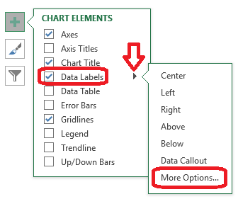
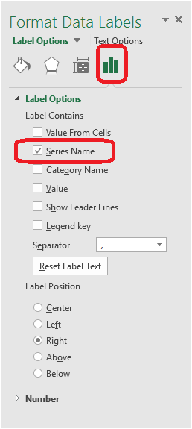

Make the chart
1) Click on the Table, then Insert > Charts > Insert line, or any of the other 4 ways of making a chart.
2) Remove the legend by clicking on the chart, click on the plus sign (Chart Elements), and deselect the Legend box.
3) From the same plus sign box, check mark the Data Labels element, and click on it's arrow to the right of the word. Click on More Options. This brings up the Format Data Label controls.
4) Remember that the column "Mystery" only has real data at the end, and that points to the last entry of "Mystery Data". This automatically positions the label to the right spot.
5)

Histogram
Histograms and Pareto charts

https://chandoo.org/wp/2017/10/05/histograms-pareto-charts-in-excel/
Histogram chart shows distribution of data by grouping it in to bins (range of values). Let’s say you run a customer care center. You have the call log from last month and you want to know how long customers talk to your representatives. If you just average all call lengths, you might get some value like 90 seconds. But this will not tell you the story. If you visualize the distribution of calls by duration like below, you will get a better picture. That is what a histogram is.

 | Customer ID | Duration | purchase Amount | Rep
 | B334 | 10 | 27 | R030
 | B335 | 37 | 36 | R031
 | B336 | 37 | 146 | R032
 | B337 | 10 | 33 | R100
 | B334 | 36 | 422 | R030
 | B335 | 44 | 359 | R031
 | B336 | 33 | 562 | R032
 | B337 | 8 | 15 | R100
 | B409 | 45 | 366 | R030
 | B444 | 35 | 222 | R031
 | B424 | 36 | 204 | R032
 | B389 | 10 | 204 | R120
 | B409 | 45 | 478 | R030
 | B444 | 24 | 178 | R031
 | B424 | 27 | 63 | R032
 | B389 | 27 | 37 | R100
 | B419 | 10 | 467 | R030
 | B464 | 36 | 377 | R031
 | B467 | 22 | 277 | R032
 | B320 | 32 | 371 | R100
 | B400 | 26 | 265 | R030
 | B390 | 10 | 100 | R031
 | B302 | 24 | 288 | R032
 | B088 | 10 | 15 | R120

