Stacked column and bar
Landlord expense tracking March 2017
Stacked columns and bars
Unit | Gas | Electric | Plumbing | Painting | Electrical | Rugs | Cleaning | total expenses | total rent
1-A | 70 | 90 | 125 |  | 160 |  |  | 445 | 1000
1-B | 70 | 90 |  | 200 |  |  | 40 | 400 | 1100
1-C | 70 | 90 |  |  |  | 400 |  | 560 | 1200
2-A | 70 | 90 |  |  |  |  |  | 160 | 1300
2-B | 70 | 90 | 150 |  |  |  | 40 | 350 | 1400
2-C | 70 | 90 |  |  |  |  |  | 160 | 1500
3-A | 70 | 90 |  |  |  |  |  | 160 | 1600
3-B | 70 | 90 |  | 200 |  |  | 40 | 400 | 1700
3-C | 70 | 90 | 200 |  |  |  | 40 | 400 | 1800
total: | 630 | 810 | 475 | 400 | 160 | 400 | 160 | 3035 | 12600

A Stacked Column chart
Landlord expense tracking March 2017
 | Gas | Electric | Plumbing | Painting | Electrical | Rugs | Cleaning
1-A | 70 | 90 | 125 |  | 160
1-B | 70 | 90 |  | 200 |  |  | 40
1-C | 70 | 90 |  |  |  | 400
2-A | 70 | 90
2-B | 70 | 90 | 150 |  |  |  | 40
2-C | 70 | 90
3-A | 70 | 90
3-B | 70 | 90 |  | 200 |  |  | 40
3-C | 70 | 90 | 200 |  |  |  | 40
Landlord expense tracking March 2017
 | 1-A | 1-B | 1-C | 2-A | 2-B | 2-C | 3-A | 3-B | 3-C
Gas | 70 | 70 | 70 | 70 | 70 | 70 | 70 | 70 | 70
Electric | 90 | 90 | 90 | 90 | 90 | 90 | 90 | 90 | 90
Plumbing | 125 |  |  |  | 150 |  |  |  | 200
Painting |  | 200 |  |  |  |  |  | 200
Electrical | 160
Rugs |  |  | 400
Cleaning |  | 40 |  |  | 40 |  |  | 40 | 40

A 3D Stacked Column chart with switch Row/Column

3D Clustered Bar,
Chart Tools Design,
Quick Layout
Landlord expense tracking March 2017
 | Gas | Electric | Plumbing | Painting | Electrical | Rugs | Cleaning
1-A | 70 | 90 | 125 |  | 160
1-B | 70 | 90 |  | 200 |  |  | 40
1-C | 70 | 90 |  |  |  | 400
2-A | 70 | 90
2-B | 70 | 90 | 150 |  |  |  | 40
2-C | 70 | 90
3-A | 70 | 90
3-B | 70 | 90 |  | 200 |  |  | 40
3-C | 70 | 90 | 200 |  |  |  | 40
 | Gas | Electric | Plumbing | Painting | Electrical | Rugs | Cleaning
1-A | 70 | 90 | 125 |  | 160
1-B | 70 | 90 |  | 200 |  |  | 40
1-C | 70 | 90 |  |  |  | 400
2-A | 70 | 90
2-B | 70 | 90 | 150 |  |  |  | 40
2-C | 70 | 90
3-A | 70 | 90
3-B | 70 | 90 |  | 200 |  |  | 40
3-C | 70 | 90 | 200 |  |  |  | 40
A Stacked Bar Chart

Expense to profit ratio
3D 100% Stacked columns
1 Select the entire table, including the total expenses and total rent columns. Create a 3D 100% stacked column chart as usual.
2 Move your mouse over to the right side of chart to get the 3 buttons to appear. Click on the Chart Filters button.
3 Deselect the "gas" through "cleaning" fields. Now you will only see the total expenses and total rent fields.
4 On the Chart Tools > Design > Data, click on "Select Data". Now click on "Edit" and scroll down to the last two fields, in this case Series8 and Series9.
5 Click on the first field you want to update (Series8), click on Edit. Now give the series a new name, press OK. Repeat for Series9.

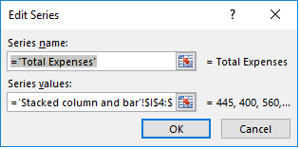
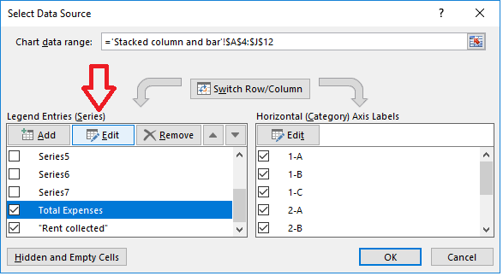
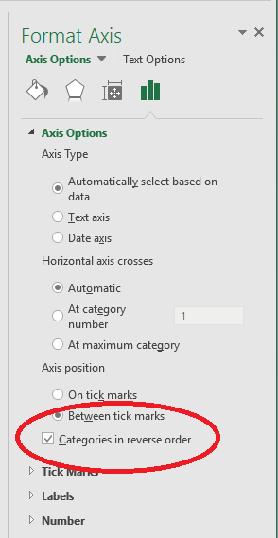

Sometimes you want the series to be A-Z, other times Z-A. In the Format Axis box, check this box to see how the data is presented.

Line
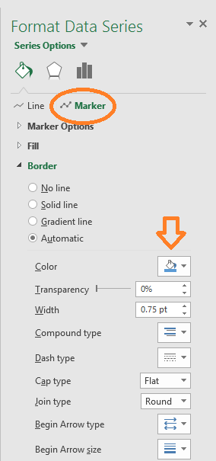
Tracking Vital measurements
Line graphs
With and without Markers
Name: | John Smith
Target pressure:

Date | Time | Date / time | Systolic | Diastolic | heart rate | recommended systolic | recommended diastolic
2017-02-15 | 8:00:00 | 02/15/17 08:00 AM | 129 | 79 | 72 | 120 | 80
2017-02-15 | 12:00:00 | 02/15/17 12:00 PM | 133 | 80 | 75 | 120 | 80
2017-02-15 | 19:45:00 | 02/15/17 07:45 PM | 142 | 85 | 77 | 120 | 80
2017-02-16 | 7:40:00 | 02/16/17 07:40 AM | 128 | 74 | 70 | 120 | 80
2017-02-16 | 12:30:00 | 02/16/17 12:30 PM | 137 | 82 | 78 | 120 | 80
2017-02-17 | 8:05:00 | 02/17/17 08:05 AM | 119 | 79 | 77 | 120 | 80
2017-02-18 | 17:00:00 | 02/18/17 05:00 PM | 140 | 82 | 76 | 120 | 80

Systolic: | 120 | Diastolic: | 80

Tracking Vital measurements
To rotate the date/time axis:
1 Right-click on the date/time labels, the "Format Axis" options pop-up on the right side of the screen.
2 click on Axis Options
3 click on the Size & Properties icon
4 click on Text direction's down arrow to choose new way to rotate text.

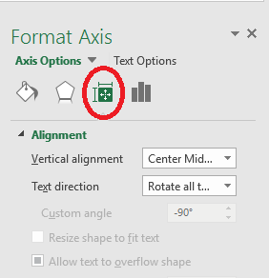

Line with markers
In this example, the data lines have markers (little dots), and the recommended numbers are simple lines.
1 Right-click the "recommended" line, and selected "Format Data Series".
2 Click the button with the paint can icon
3 Click the "Marker" button.
4 Expand the "Marker Options" section.
5 Select the "Built-In" option.
6 In the "Type" list, chose the type of marker (or no marker) you want to use.
7 In the "Size" list, select the size of the markers.
8 Make other customizations to the markers as desired. Change color, etc.

Bar and Line
Sales Report over 3 years, in units
Sales Report over 3 years, in units
Item | 2014 | 2015 | 2016
Science Fiction | 159 | 170 | 140
Satire | 3002 | 4500 | 4521
Romance | 2051 | 2473 | 2904
Mystery | 720 | 775 | 830
Horror | 356 | 376 | 390
Self Help | 855 | 730 | 899
Health | 1204 | 1147 | 1353

Pie
Favorite Color
Pie Chart
Pie Charts show percentages of a whole.
To update the wedge color to match the favorite color, double-click on the legend's color, note the blue dots around the selected item.
Now, right click the item, select the desired color and click the Fill button.
Favorite Color
Color | Count
Blue | 75
Black | 39
Red | 38
Green | 32
Orange | 18
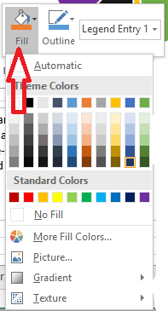
Purple | 15
Yellow | 10
total: | 227

Favorite Color
Pie of Pie

with .75 pt wide line around the border

Stock prices
Alphabet stock prices
Alphabet stock prices
Date | Open | High | Low | Close | Volume
2017-02-16 | 819.93 | 824.4 | 818.98 | 824.16 | 1,281,724
2017-02-15 | 819.36 | 823 | 818.47 | 818.98 | 1,313,617
2017-02-14 | 819 | 823 | 816 | 820.45 | 1,054,732
2017-02-13 | 816 | 820.96 | 815.49 | 819.24 | 1,213,324
2017-02-10 | 811.7 | 815.25 | 809.78 | 813.67 | 1,134,976
2017-02-09 | 809.51 | 810.66 | 804.54 | 809.56 | 990,391
2017-02-08 | 807 | 811.84 | 803.19 | 808.38 | 1,155,990
2017-02-07 | 803.99 | 810.5 | 801.78 | 806.97 | 1,241,221
2017-02-06 | 799.7 | 801.67 | 795.25 | 801.34 | 1,184,483
2017-02-03 | 802.99 | 806 | 800.37 | 801.49 | 1,463,448
2017-02-02 | 793.8 | 802.7 | 792 | 798.53 | 1,532,138
2017-02-01 | 799.68 | 801.19 | 791.19 | 795.7 | 2,029,744
2017-01-31 | 796.86 | 801.25 | 790.52 | 796.79 | 2,160,556
2017-01-30 | 814.66 | 815.84 | 799.8 | 802.32 | 3,246,573
2017-01-27 | 834.71 | 841.95 | 820.44 | 823.31 | 2,965,771
2017-01-26 | 837.81 | 838 | 827.01 | 832.15 | 2,973,891
2017-01-25 | 829.62 | 835.77 | 825.06 | 835.67 | 1,627,304
2017-01-24 | 822.3 | 825.9 | 817.82 | 823.87 | 1,474,010

https://www.extendoffice.com/documents/excel/2138-excel-create-stock-chart.html

Gant
Gantt
 | New Web Page Implementation
 | task | Start Date | days | End date
Design | Meet with user | 2/12/17 | 1 | 2017-02-13
Design | Create specs | 2/13/17 | 2 | 2017-02-15
Design | Get user design sign-off | 2/20/17 | 2 | 2017-02-22
Code | Hire photographer | 2/21/17 | 1 | 2017-02-22
Code | Gather content from users | 2/21/17 | 10 | 2017-03-03
Code | Create prototype | 2/21/17 | 3 | 2017-02-24
Code | Code | 2/27/17 | 5 | 2017-03-04
Test | mobile browsers | 3/4/17 | 4 | 2017-03-08
Test | desktop browsers | 3/5/17 | 4 | 2017-03-09
Delivery | Migrate to production | 4/1/17 | 1 | 2017-04-02
Maintenance | Support new site | 4/1/17 | 14 | 2017-04-15

https://www.ablebits.com/office-addins-blog/2014/05/23/make-gantt-chart-excel/

This is a Gantt chart

TreeMap
TreeMap Graph
Sunburst Graph
PivotTable Graphs
Department | Job type | Computer | Count |  | Job type choice | Department
Accounting | Full-time | Apple Mac | 5 |  | Full-time | Marketing
Accounting | Part-time | Apple Mac | 2 |  | Part-time | Accounting
Accounting | Consultant | Android | 2 |  | Consultant | Sales
Administration | Full-time | PC desktop | 3 |  | Temporary | R&D
Administration | Full-time | PC laptop | 2 |  |  | Warehouse
R&D | Full-time | PC desktop | 7 |  | Computer Type | Administration
Sales | Full-time | PC desktop | 1 |  | Apple Mac
https://blogs.office.com/2015/08/11/breaking-down-hierarchical-data-with-treemap-and-sunburst-charts/
Sales | Part-time | PC desktop | 4 |  | Apple iPad
Sales | Full-time | PC laptop | 5 |  | PC laptop
Sales | Part-time | PC laptop | 3 |  | PC desktop
Sales | Consultant | None | 1 |  | Android
Sales | Temporary | PC desktop | 3 |  | None
Warehouse | Full-time | PC desktop | 10
Warehouse | Full-time | PC laptop | 4
Warehouse | Part-time | None | 6

PivotTable Graph

Extra Credit
Why can't we use PivotTable data in some graphs, like Column or Bar, but not other types, like TreeMap or Sunburst?
it's related to the fact that PivotTable data is stored in a structure called an OLAP cube (certainly if you check the 'Add to Data Model' checkbox).
In a cube, the data is stored as elements, and each 'edge' is a sum that is computed ahead of time. By doing this once, you can do all sort of analysis without re-summing all the data. So if you want, say the profit margin of bikes in February in that graphic, it's easy and right there. If you want the profit margin for all products in February, then it's a simple sum across that right face of green blocks. What you don't have to do is go back and look at every single data record and see "Is it profit margin category? Is it in February?".
With some extra code, then you could add these graphs (along with XY), but since column, line, and bar graphs can be created through simple addition and aggregation, they are the prime candidates for taking advantage of the cube.
https://blogs.office.com/2015/08/11/breaking-down-hierarchical-data-with-treemap-and-sunburst-charts/
Sum of Count | Column Labels
Row Labels | Accounting | Administration | R&D | Sales | Warehouse
Android | 2
Apple Mac | 7
None |  |  |  | 1 | 6
PC desktop |  | 3 | 7 | 8 | 10
PC laptop |  | 2 |  | 8 | 4

A 3D column graph from PivotTable Data
 | Accounting | Administration | R&D | Sales | Warehouse
Android | 2
Apple Mac | 7
None |  |  |  | 1 | 6
PC desktop |  | 3 | 7 | 8 | 10
PC laptop |  | 2 |  | 8 | 4

