Formulas
Formulas - simple calculations

Formulas
- anything that begins with an equal sign is a formula.
- Mathematical operators: ( ) ^ * / + -
- operands can be numbers, cell addresses, or a mix of both.
- use the Formulas tab for more options.
- Formulas > Show Formulas - or - <Ctrl `> to display all the formulas in the worksheet. Toggle again to show calculated fields.
Sample data:
2 | 3 | 4 | 6
8 | 10 | 0 | -5

Basic Arithmetic
5 | 0.66666666667 | 0.75

6.4166666667 |  | #DIV/0! |  | 11

Exercise 1:
In cell B10, enter =2+3/6
In cell B11, enter =2+(3/6)
In cell B12, enter =(2+3)/6
B10 and B11 should have the same value.
Excerise 2:
A10 ends in a repeating value.
Another way to format this is to:
<right click> the cell
in the pop-up window, select
Format Cells.
Click Number
Decimal places = 2
Exercise 3:
press <Ctrl `> to see formulas
press <Ctrl `> again to see
data.
Note: the ` key is above the Tab key.

Exercise 4:
Divide by 0
in a cell, enter =A5/C6
result: #DIV/0! and a green triangle in the corner.
Exercise 5 - ways to enter formulas.
a) type it in. Great if you type well.
Click on desired cell. Type =5+3 and press Enter or Tab.
Notice that as you type, the formula bar is getting filled in.
You can enter / update a formula in either the cell or the formula bar.
b) type and "click it" in.
Click on desired cell. Type = then click on A5, type +, click on C4
press Enter or Tab.
Notice that as you type, the formula bar is getting filled in.
Also, notice the cell names turn the same color as the cell
highlighting

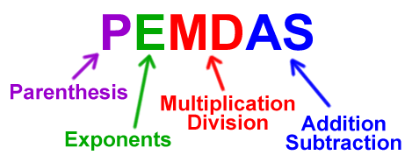

^ caret, or <shift 6> is the exponent sign
* asterisk, or <shift 8> is the multiplication sign
/ slash (underneath the ? mark) is the division sign
+ for addition
- for subtraction
For other math symbols, see:
https://support.office.com/en-us/article/Calculation-operators-and-precedence-in-Excel-48be406d-4975-4d31-b2b8-7af9e0e2878a

Functions
Functions

Functions:
- All functions are formulas.
- They all start with an equal sign.
- a function is a called routine which returns one value.
Ex: SUM(B7:B13) will add up all the numbers in that range of cells.
- each function expects a certain number and type of data as input parameters. Some are simple, others are not.

 | 5 |  | 5 |  | 5
 | 4 |  | 4 |  | 4
 | 3 |  | 3 |  | 3
 | 7 |  | 7 |  | 7
 | 4 |  | 4 |  | 4
 | 99 |  | 99 |  | 99
All fucntions are formulas.
Not all formulas are functions.
How to tell the difference?
A function has a reserved word (all in capitals) following the equal sign.
Count - counts a range of cells whose values are numbers or dates.
Counta - counts a range of cells whose values are not blank.
 | 34 |  | 34 |  | 34
Sum: |  | Average: |  | Count:

Max: |  | Min: |  | CountA:

Execise 1:
Click on B14. In this case, we are using the next blank cell at the bottom of a string of numbers we want to do math on.
Click on the epsilon (Greek letter E) in the upper right corner drop down arrow. Click on SUM. Excel looks "up" and then to the "left" to find a bunch of numbers, then uses those addresses to use for the range. In this case (B7:B13)
Use the same logic to have D14 hold the Average, and F14 have the Count.

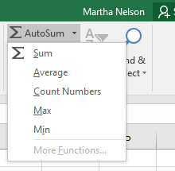
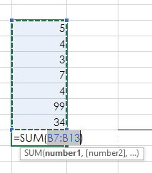

Exercise 2:
Click on B16. Formulas > AutoSum drop down arrow, MAX
Click on D16. Formulas > AutoSum drop down arrow, MIN
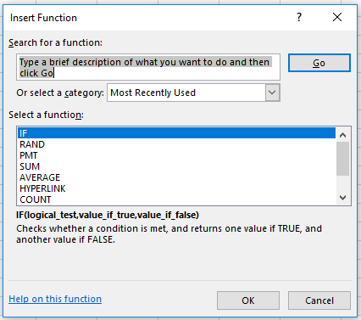

Exercise 3:
Click on F16. Formulas > Insert Funtion. In the pop-up window, type Count in the Search for a function area, and click on the Go button. Note that there are many Count-like functions. Click on COUNTA.
The Function Argument window pops up; change Value1 to be F7:F13, leave Value2 blank.
Also, the Formula Result gives you a preview of the answer.
Click <OK>

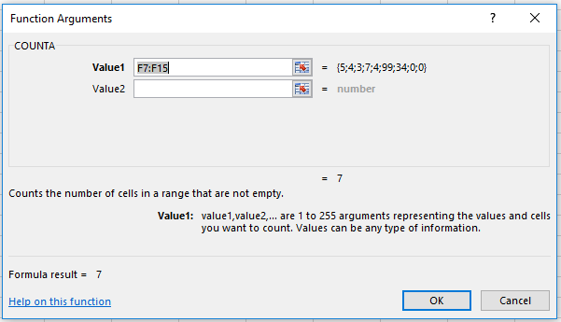

Recap:
There are at least 5 ways to enter a function. Click in the desired cell and do one of the following:
- simply type in the formula in either the cell or the formula bar.
- Home > Editing (all the way on the right side) and the AutoSum drop down arrow. Select a commonly used function.
- Formulas > Insert Function (or Shift + F3). In the Insert Function dialog box, type in some key word, such as count, or payment, and then click Enter. This will bring up a list of functions related to your search term.
- Formulas > Formula Library, and then browse for something useful. Click on something that seems close. This brings up the Insert Function Dialog box that gives a short description about that function.
- Select a range of cells (one row or one column), then click on the Quick Anaylis icon that pops up, then Totals. Select desired function.

Autofill
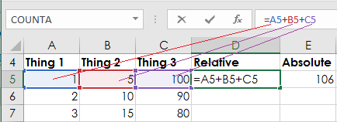
Autofill - Relative vs. Absolute Reference

Use Fill Handle
1) Select (A5:A7) by
* click on A5
* hold down the Shift key
* click on A7, then release the Shift key
2) Mouse over the handle in lower right corner
until your cursor turns into a little plus sign.
3) Click on the handle, drag the cursor down to
cell A14. Finally release the mouse.
4) Repeat this for Column B and C.
5) Click on D5, then click in the formula bar.
Notice that each operand's color matches that
cell's color. This is handy!
6) Select cells D5:G5, autofill down to row 14. Notice that you can autofill several columns at once.
7) Select A5:A14, release the mouse.
8) Click the Quick Analysis icon.
9) Click Totals, then Sum
10) try out some of the other Quick analysis
options.
Thing 1 | Thing 2 | Thing 3 | Relative | Absolute | Dates | Days
1 | 5 | 100 | 106 | 106 | 2017-01-01 | Monday
2 | 10 | 90
3 | 15 | 80

Click on the formula bar.
Each operand is a different color
so it is easy to see which fields are used.

MinMax
Consumer Price Index - Average Price Data
Area: | U.S. city average
Item: | Gasoline, all types, per gallon/3.785 liters
Years: | 2005 to 2015
Year | Jan | Feb | Mar | Apr | May | Jun | Jul | Aug | Sep | Oct | Nov | Dec
2005 | 1.866 | 1.960 | 2.107 | 2.325 | 2.257 | 2.218 | 2.357 | 2.548 | 2.969 | 2.830 | 2.387 | 2.230
2006 | 2.359 | 2.354 | 2.444 | 2.801 | 2.993 | 2.963 | 3.046 | 3.033 | 2.637 | 2.319 | 2.287 | 2.380
2007 | 2.321 | 2.333 | 2.639 | 2.909 | 3.176 | 3.100 | 3.013 | 2.833 | 2.839 | 2.843 | 3.118 | 3.069
2008 | 3.096 | 3.083 | 3.307 | 3.491 | 3.813 | 4.115 | 4.142 | 3.838 | 3.749 | 3.225 | 2.208 | 1.742
2009 | 1.838 | 1.979 | 2.000 | 2.107 | 2.314 | 2.681 | 2.594 | 2.677 | 2.626 | 2.613 | 2.709 | 2.671
2010 | 2.779 | 2.709 | 2.829 | 2.906 | 2.915 | 2.783 | 2.783 | 2.795 | 2.754 | 2.843 | 2.899 | 3.031
2011 | 3.139 | 3.215 | 3.594 | 3.863 | 3.982 | 3.753 | 3.703 | 3.680 | 3.664 | 3.521 | 3.475 | 3.329
2012 | 3.447 | 3.622 | 3.918 | 3.976 | 3.839 | 3.602 | 3.502 | 3.759 | 3.908 | 3.839 | 3.542 | 3.386
2013 | 3.407 | 3.748 | 3.792 | 3.647 | 3.682 | 3.693 | 3.687 | 3.658 | 3.616 | 3.434 | 3.310 | 3.333
2014 | 3.378 | 3.422 | 3.590 | 3.717 | 3.745 | 3.750 | 3.690 | 3.540 | 3.463 | 3.241 | 2.945 | 2.618
2015 | 2.170 | 2.308 | 2.544 | 2.545 | 2.832 | 2.889 | 2.893 | 2.745 | 2.463 | 2.357 | 2.249 | 2.125
Minimum |  |  | 11
Maximum
Average
3rd Largest
Median

Directions
Formulas > AutoSum (upper left corner). OR
Home > Editing (upper right corner)
Select cell which will contain the answer.
Use drop down arrow on AutoSum and select function many ways to fill in the argument section

Data
Data types - text and numbers

Exercise 2:
Alignment choices are left, centered, or right, as well as top, center, or bottom.
Select one or more cells.
Home > Alignment > then your choice
Exercise 1:
Change font and size: Home > Font
Use drop down arrow to get a list of choices.
or
<right click> on cell for mini-tool bar.
Make the headers (A6 to C6) Bold
Make Count of animals red.
Text
merged & centered
Animal | male name | female name
Dogs | Rex | Bridget
Cats | Tom | Fluffy
Turtles | Slow Poke | Speedy
Mouse | Jerry | Minnie
Exercise 4:
Enter new text data by simply clicking on the desired cell and typing. In A12, enter "mo" and wait. Notice how Excel anticipates what you may want to use? (called Flash Fill)
Click Enter to accept, or keep typing to use something else.
Click Tab or Enter to commit data you entered.
Click Esc (escape) to not commit changes.

Count of animals: |  | 4
Exercise 3:
Merging mulitple cells together is great for creating a title for your sheet.
Select two empty tangent (touching) cells.
Home > Alignment > Merge & Center

Numbers
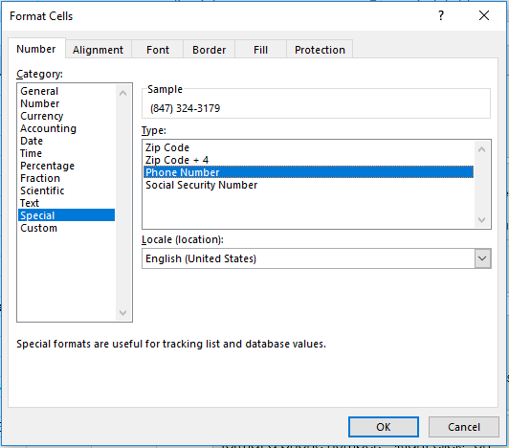
Exercise 5:
In cell A29, limit/truncate the number of decimal places:
Home > Number > Number > Decimal places = 2 (or 3)
560 | $560.12

3.3333333333

123.45
Exercise 6:
format a phone number. <Right click> on cell (A33), click on Format Cells.
click on Special, then Phone Number
(see right)
Special formatting window
8473243179

Custom formatting
Dates
Exercise 7:
Formatting dates is similar to formatting numbers <right click> on cell - or -
select cell(s), Home > Number > in drop down box, select Short Date, or Long Date
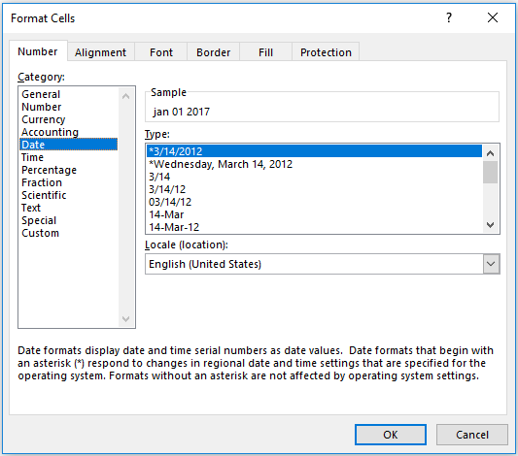
Jan-17

15-Mar-17 | 16-Mar-17 | 17-Mar-17

A note about dates and times
Excel stores dates and times as numbers.
The number to the left of the decimal is a date, the part to the right of the decimal is the time.
January 01, 1900 formatted as a number is "1".
8am is formated as time, but is really stored as 0.3333 (8 hours is one-third of a day).
Because dates and times are really numbers, Excel can do interesting math on them. We'll touch on this in the Formulas section.
Another Note: different coutries format dates and times differently. Using formats that start with a * (asterisk) allows Excel to figure out which format to use based on where the user is working.
US: DD/MM/YY Europe MM/DD/YY
1900-01-01 | 1900-01-01

8:00:00 | 0.33

Put it together
Put it together

Excel at it's best: set up formula or function once, and apply it to other rows or columns.

Name | Mon | Tue | Wed | Thu | Fri | Tot Hours | Wage | Pay
Harry | 8 | 8 | 8 | 8 | 8 |  | 17
Hermoine | 8 | 8 | 8 | 8 | 8 |  | 17
Ron | 7 | 3 | 3 | 14 | 3 |  | 17
Draco | 8 | 8 | 8 | 8 | 8 |  | 15
Dobby | 8 | 8 | 8 | 8 | 8 |  | 10
Bellatrix | 0 | 0 | 0 | 5 | 4 |  | 12
Newt | 0 | 0 | 0 | 4 | 6 |  | 12
Katie | 0 | 0 | 0 | 5 | 4 |  | 15
Sirius | 8 | 8 | 8 | 8 | 8 |  | 14
Lavender | 10 | 6 | 6 | 10 | 4 |  | 15
Quirinus | 4 | 5 | 4 | 5 | 4 |  | 13
hours: |  |  |  |  |  |  | Tot Wage:
 |  |  |  |  |  |  | Avg Wage:

Count of employees:

Exercise:
1) SUM hours from column B into B19, autofill across (horizontally).
2) SUM hours from row 8 into G8, autofill down through G19.
3) In cell I8, calculate Pay by multiplying Tot Hours * Wage.
4) Format Pay to be dollars. Autofill down to I19
5) Sum all Pay in cell I19
6) Calculate Average Wage in cell I20
7) Calculate Count of employees in cell D22
8) Give your sheet a title by selecting a few cells, merging them together.
9) Make the title text a larger font, change the cell color to your choice.
Merging cells allows for a bigger space for report titles and other information.
How to Merge cells:
- select 2 or more contiguous cells (Ex 2 across, and 2 down)
- Home > Alignment > Merge & Center down arrow > Merge Across

