Directions
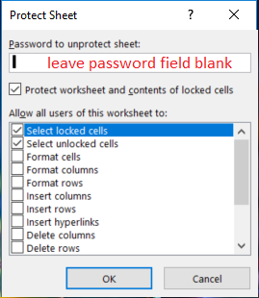
(123)456-7890 | (1234567890

Look at B2 and C2 - they look the same, right?
Actually, I used this formula in C2:
Then I applied a special format of C2 as a phone number. Home > Number > Special > Phone Number
Often you'll get files where the data entry person has or doesn't have parentheses, hyphens, and blank spaces. Correcting hundreds of phone numbers is a great excuse for creating a macro which can be used in any file.
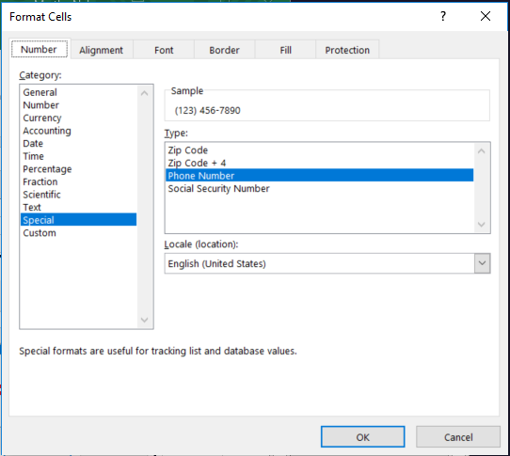

Exercise 4 - Copy macro
On Copy Macro tab, copy the code to a newly added module.
Exercise 5 – save macro to PERSONAL.XLSB
On Personal tab.
l
l

Copy Macro
Sub RemoveParenthesesAndHyphens()
'
' RemoveParenthesesAndHyphens Macro
' remove parenthesis and hyphens
'
' Keyboard Shortcut: Ctrl+Shift+P
'
Selection.Replace What:=")", Replacement:="", LookAt:=xlPart, _
SearchOrder:=xlByRows, MatchCase:=False, SearchFormat:=False, _
ReplaceFormat:=False
Selection.Replace What:="(", Replacement:="", LookAt:=xlPart, _
SearchOrder:=xlByRows, MatchCase:=False, SearchFormat:=False, _
ReplaceFormat:=False
Selection.Replace What:="-", Replacement:="", LookAt:=xlPart, _
SearchOrder:=xlByRows, MatchCase:=False, SearchFormat:=False, _
ReplaceFormat:=False
Selection.Replace What:=" ", Replacement:="", LookAt:=xlPart, _
SearchOrder:=xlByRows, MatchCase:=False, SearchFormat:=False, _
ReplaceFormat:=False
End Sub
Exercise 4 - Copy macro
Press Alt+F11 to open the VBE
In the VBE:
Click on the Copy Macro object.
Insert > Module to add a module.
Press Alt+F11 to go back to Excel
Select and copy the code on the right.
In VBE:
Paste code into the new module.
In Excel:
Select one or more cells containing phone numbers.
Run the macro:
- press the shortcut Ctrl+Shift+P
- Developer > Macros > click on
RemoveParenthesesAndHyphens()
Name | Phone Number
Huding | 847 123-4567
Doln | (847)9999999
Bock | 847 123 3456
Olnhull | 1231231234
Inevale | 1-2-3-4-5-6-7-8-9-0
Quigas | (1(10)1)1)1)1)1
Damore | 414 343 2222
Ophirith | (999) 1234567
Gando | )333(1 2 3 4 5 6 7

Personal
Exercise 5 – save macro to PERSONAL.XLSB
The easiest way to create your PERSONAL.xlsb folder is by recording a simple macro to it (specifiy it in the drop down box).
Then you can copy and paste a useful macro to it, and delete the original simple one.
1 Record a macro, but save it to the PERSONAL.xlsb file.
2 Press Alt + F11 to get to the VBA. Notice the in the Project
window you now have a new VBAProject!
3 Click on that folder's Module1. Select and delete the junk code.
4 Cut and Paste the RemoveParenthesesAndHyphens() code
into your PERSONAL folder.
5 Try it out
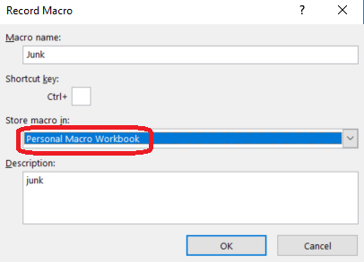

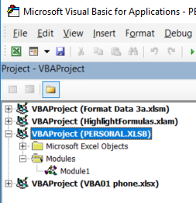
Name | Phone Number
Huding | 847 123-4567
Doln | (847)9999999
Bock | 847 123 3456
Olnhull | 1231231234
Inevale | 1-2-3-4-5-6-7-8-9-0
Quigas | (1(10)1)1)1)1)1
Damore | 414 343 2222
Ophirith | (999) 1234567
Gando | )333(1 2 3 4 5 6 7

The PERSONAL.xlsb file and your Excel templates are saved in your XLStart folder. Where is that?
The quickest way is to use the Immediate window in the VBE:
- Press [Alt]+[F11] to launch the VBE.
- If the Immediate window isn't visible, press [Ctrl]+g.
- In the Immediate window, type ? application.StartupPath
and press Enter. VBA will display the path to XLStart.

