Formulas
Formulas - simple calculations

Formulas
- anything that begins with an equal sign is a formula.
- Mathematical operators: ( ) ^ * / + -
- operands can be numbers, cell addresses, or a mix of both.
- use the Formulas tab for more options.
- Formulas > Show Formulas - or - <Ctrl `> to display all the formulas in the worksheet. Toggle again to show calculated fields.
Sample data:
2 | 3 | 4 | 6
8 | 10 | 0 | -5

Basic Arithmetic |  |  |  | 7
5 | 0.66666666667 | 0.75

6.4166666667 |  | #DIV/0! |  | 11

Exercise 1:
In cell B10, enter =2+3/6
In cell B11, enter =2+(3/6)
In cell B12, enter =(2+3)/6
B10 and B11 should have the same value.
Excerise 2:
B9 ends in a repeating value.
Another way to format this is to:
<right click> the cell
in the pop-up window, select
Format Cells.
Click Number
Decimal places = 2
Exercise 3:
press <Ctrl `> to see formulas
press <Ctrl `> again to see
data.
Note: the ` key is above the Tab key.

Exercise 4:
Divide by 0
in a cell, enter =A5/C6
result: #DIV/0! and a green triangle in the corner.
Exercise 5 - ways to enter formulas.
a) type it in. Great if you type well.
Click on desired cell. Type =5+3 and press Enter or Tab.
Notice that as you type, the formula bar is getting filled in.
You can enter / update a formula in either the cell or the formula bar.
b) type and "click it" in.
Click on desired cell. Type = then click on A5, type +, click on C4
press Enter or Tab.
Notice that as you type, the formula bar is getting filled in.
Also, notice the cell names turn the same color as the cell
highlighting

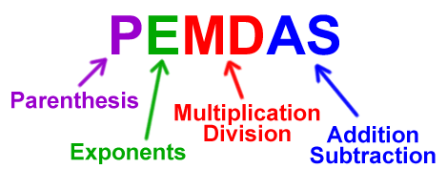

^ caret, or <shift 6> is the exponent sign
* asterisk, or <shift 8> is the multiplication sign
/ slash (underneath the ? mark) is the division sign
+ for addition
- for subtraction
For other math symbols, see:
https://support.office.com/en-us/article/Calculation-operators-and-precedence-in-Excel-48be406d-4975-4d31-b2b8-7af9e0e2878a

Functions
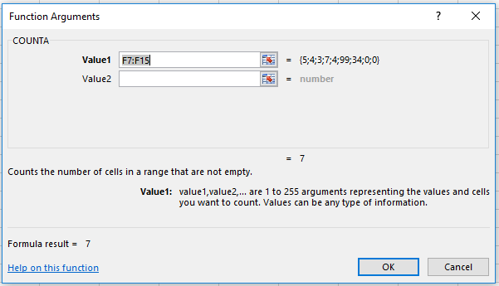
Functions

Execise 1a:
Click on B14. In this case, we are using the next blank cell at the bottom of a string of numbers we want to do math on.
Click on the epsilon (Greek letter E) in the upper right corner drop down arrow. Click on SUM. Excel looks "up" and then to the "left" to find a bunch of numbers, then uses those addresses to use for the range. In this case (B7:B13)
Use the same logic to have D14 hold the Average, and F14 have the Count.
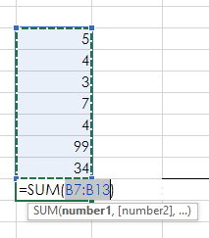
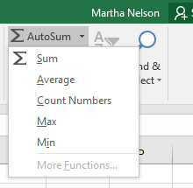
 | 5 |  | 5 |  | 5
 | 4 |  | 4 |  | 4
 | 3 |  | 3 |  | 3
 | 7 |  | 7 |  | 7
 | 4 |  | 4 |  | 4
 | 99 |  | 99 |  | 99
 | 34 |  | 34 |  | 34
Sum: |  | Average: |  | Count:

Max: |  | Min: |  | CountA:

Exercise 1b:
Click on B16. Formulas > AutoSum drop down arrow, MAX
Click on D16. Formulas > AutoSum drop down arrow, MIN

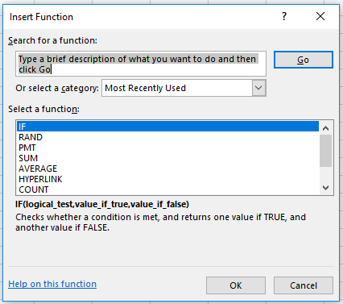

Exercise 1c:
Click on F16. Formulas > Insert Funtion. In the pop-up window, type Count in the Search for a function area, and click on the Go button. Note that there are many Count-like functions. Click on COUNTA.
The Function Argument window pops up; change Value1 to be F7:F13, leave Value2 blank.
Also, the Formula Result gives you a preview of the answer.
Click <OK>

Autofill
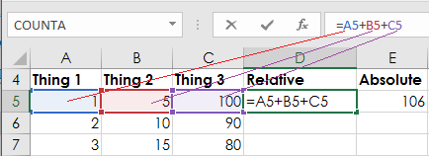
Autofill - Relative vs. Absolute Reference

Ex 2
Use Fill Handle
1) Select (A5:A7) by
* click on A5
* hold down the Shift key
* click on A7, then release the Shift key
2) Mouse over the handle in lower right corner
until your cursor turns into a little plus sign.
3) Click on the handle, drag the cursor down to
cell A14. Finally release the mouse.
4) Repeat this for Column B and C.
5) Click on D5, then click in the formula bar.
Notice that each operand's color matches that
cell's color. This is handy!
6) Select cells D5:G5, autofill down to row 14. Notice that you can autofill several columns at once.
7) Select A5:A14, release the mouse.
8) Click the Quick Analysis icon.
9) Click Totals, then Sum
10) try out some of the other Quick analysis
options.
Thing 1 | Thing 2 | Thing 3 | Relative | Absolute | Dates | Days
1 | 5 | 100 | 106 | 106 | 2017-01-01 | Monday
2 | 10 | 90
3 | 15 | 80

Click on the formula bar.
Each operand is a different color
so it is easy to see which fields are used.

MinMax
Consumer Price Index - Average Price Data
Area: | U.S. city average
Item: | Gasoline, all types, per gallon/3.785 liters
Years: | 2005 to 2015
Year | Jan | Feb | Mar | Apr | May | Jun | Jul | Aug | Sep | Oct | Nov | Dec
2005 | 1.866 | 1.960 | 2.107 | 2.325 | 2.257 | 2.218 | 2.357 | 2.548 | 2.969 | 2.830 | 2.387 | 2.230
2006 | 2.359 | 2.354 | 2.444 | 2.801 | 2.993 | 2.963 | 3.046 | 3.033 | 2.637 | 2.319 | 2.287 | 2.380
2007 | 2.321 | 2.333 | 2.639 | 2.909 | 3.176 | 3.100 | 3.013 | 2.833 | 2.839 | 2.843 | 3.118 | 3.069
2008 | 3.096 | 3.083 | 3.307 | 3.491 | 3.813 | 4.115 | 4.142 | 3.838 | 3.749 | 3.225 | 2.208 | 1.742
2009 | 1.838 | 1.979 | 2.000 | 2.107 | 2.314 | 2.681 | 2.594 | 2.677 | 2.626 | 2.613 | 2.709 | 2.671
2010 | 2.779 | 2.709 | 2.829 | 2.906 | 2.915 | 2.783 | 2.783 | 2.795 | 2.754 | 2.843 | 2.899 | 3.031
2011 | 3.139 | 3.215 | 3.594 | 3.863 | 3.982 | 3.753 | 3.703 | 3.680 | 3.664 | 3.521 | 3.475 | 3.329
2012 | 3.447 | 3.622 | 3.918 | 3.976 | 3.839 | 3.602 | 3.502 | 3.759 | 3.908 | 3.839 | 3.542 | 3.386
2013 | 3.407 | 3.748 | 3.792 | 3.647 | 3.682 | 3.693 | 3.687 | 3.658 | 3.616 | 3.434 | 3.310 | 3.333
2014 | 3.378 | 3.422 | 3.590 | 3.717 | 3.745 | 3.750 | 3.690 | 3.540 | 3.463 | 3.241 | 2.945 | 2.618
2015 | 2.170 | 2.308 | 2.544 | 2.545 | 2.832 | 2.889 | 2.893 | 2.745 | 2.463 | 2.357 | 2.249 | 2.125
Minimum
Maximum
Average
3rd Largest
Median

Ex 3 Directions
Formulas > AutoSum (upper left corner). OR
Home > Editing (upper right corner)
Select cell which will contain the answer.
Use drop down arrow on AutoSum and select function many ways to fill in the argument section

Text
Text

Autofill formulas all the way down
Merge
Ex 4a, Autofill columns of data (recent Excel 2016 update)
- in cell D7, Type "Karen Kerr"
- in cell D8, start to type "Cameron" and you'll see some "ghost" text.
- Press <Enter> and the remainder of the D data is filled in.
 |  |  | 4a | 4b | 4c
 | First | Last | Autofill Both Names | Use & operator | Use Concatenate
 | Karen | Kerr
 | Cameron | Mitchell
 | Lucas | Graham
 | Justin | Parr
 | Ryan | Payne
 | Dan | Pullman
Ex 4b Use the & operator to combine two cells
- in cell E7, Type =B7&C7 Problem!
- now in cell E7, type =B7&" "&C7
 | Carl | Burgess
 | Kevin | Ellison
 | Wanda | Pullman
 | Victoria | Campbell

Ex 4c Use the formula Concatenate to combine two cells
- in cell F7, type =CONCAT(B7&" "&C7)

Ex 4d Use the formula UPPER to capitalize everthing
- in cell D29, type =UPPER(B29)
Upper and Lower |  |  | 4d | 4e | 4f
 |  |  | use =UPPER | use =LOWER | use =PROPER
 | Wind
Ex 4e Use the formula LOWER to make lower case
- in cell E29, type =LOWER(B29)
 | crOw
 | act
 | suBtract
 | milk
 | oppresS
Ex 4f Use the formula Proper to capitalize first letter
- in cell F29, type =PROPER(B29)
 | tasteful
 | scientific
 | Petite
 | OrAngE
 | omniscient
 | SPEAK

Ex 4g Count the characters with LEN
- in cell D46, type =LEN(B46)
Misc fun
 |  |  | 4g | 4h | 4i
 |  |  | use =LEN | use =LEFT | use =RIGHT
 | modern
 | happy
Ex 4h find the 3 leftmost characters
- in cell E46, type =LEFT(B46,3)
 | rattle
 | purple
 | confine
 | ancient
Ex 4g find the 4 rightmost characters and add quotes
- in cell D46, type
=CHAR(34)&RIGHT(B46,4)&CHAR(34)
 | know
 | spectacular
 | inlay
 | trust
 | undesirable
 | detail
 | literate
 | consider

Ex 4j removes extra spaces, and leaves one space between words.
- in cell D65, type =TRIM(B65)
Clean up
 |  |  | 4j | 4k
 |  |  | use =TRIM | use =SUBSTITUTE
 | nondescript |  | nondescript | @o@descript
 | dance |  | dance | da@ce
 | fun ny |  | fun ny | fu@ @y
Ex 4k substitute the letter "n" with an "@"
- in cell E65, =SUBSTITUTE( D65,"n","@")
 | mature |  | mature | mature
 | return the book |  | return the book | retur@ the book
 | point toes |  | point toes | poi@t toes

Dates
Dates

Autofill formulas all the way down
Parse date
Ex 5a, in cell C9, type =MONTH(B9)
 |  | 5a | 5b | 5c
 | First | get month | get date | get year
 | 2008-04-29 | 4 | 29 | 2008
Ex 5b, in cell D9, type =DAY(B9)
 | 2010-06-27
 | 2011-04-20
 | 2012-10-03
Ex 5c, in cell E9, type =YEAR(B9)
 | 2012-12-09
 | 2014-03-27
 | 2015-12-18
 | 2016-11-19
 | 2018-10-30
 | 2019-04-05

Ex 5d WEEKDAY returns the Day of the week, default is Sunday is the first day of the week.
More info |  | 5d | 5e | 5f
 |  | use =WEEKDAY | use =WEEKNUM | use =TEXT
 | 2007-07-31
Ex 5e WEEKNUM returns the week number (how many weeks since January 1 of the same year)
 | 2009-03-30
 | 2009-12-23
 | 2010-01-12
 | 2010-05-01
 | 2010-05-21
Ex 5f Uses TEXT to return the day of the week.
- in E29, enter =TEXT(B29,"ddd")
the "ddd" gives you the three letter abbreviation for the day of the week. "dddd" gives the whole word.
"mmm" gives you the month, abbreviated.
 | 2012-10-07
 | 2014-06-16
 | 2016-12-14
 | 2019-01-23

Ex 5g find the number of week days between 2 dates
- in cell C46, type =NETWORKDAYS(B46,A46)
Misc fun
 |  | 5g | 5h | 5i
 |  | use =NETWORKDAYS | use =DAYS | Add days to the date
2007-11-11 | 2007-07-31 | -74 | -103 | 2007-12-14
2009-01-05 | 2009-03-30
Ex 5h similar to NETWORKDAYS, except it includes weekends. Also, the start & end are transposed.
- in cell D46, type =DAYS(B46,A46)
2009-03-21 | 2009-12-23
2010-06-08 | 2010-01-12
2010-10-11 | 2010-05-01
2012-04-28 | 2010-05-21
2013-09-23 | 2012-10-07
Ex 5i use WORKDAYS and add a desired number to calculate the date in the future.
- in cell E46, type =WORKDAY(A46,25)
2014-06-06 | 2014-06-16
2017-08-10 | 2016-12-14
2019-01-01 | 2019-01-23

IfError
If, IfError

IFERROR

sample data | 0 | 1 | 2 | 3
 | 4 | 5 | 6 | 7

If I divide by 0, I get an error. Notice the #DIV/0! message and the little green triangle in the corner.
Formulas > Error Checking to see more information about the error.
 |  | #DIV/0!

Here I use IFERROR to trap any problems.
=IFERROR(C8/B7,"error in calculation")
Remember:
Use <Ctrl ~> to display formulas
 |  | error in calculation

Click on the Insert Function button and use the Funcion Argument box to help set up an If funtion. Example in C28.
IF
 |  | bigger

Put it together
Excel at it's best: set up formula or function once, and apply it to other rows or columns.
Put it together

 |  |  |  |  |  |  | Everyone gets a raise: |  | 2%

Name | Mon | Tue | Wed | Thu | Fri | Tot Hours | Wage | Pay | raise | total money
Harry | 8 | 8 | 8 | 8 | 8 |  | 17
Hermoine | 8 | 8 | 8 | 8 | 8 |  | 17
Ron | 7 | 3 | 3 | 14 | 3 |  | 17
Draco | 8 | 8 | 8 | 8 | 8 |  | 15
Dobby | 8 | 8 | 8 | 8 | 8 |  | 10
Bellatrix | 0 | 0 | 0 | 5 | 4 |  | 12
Newt | 0 | 0 | 0 | 4 | 6 |  | 12
Katie | 0 | 0 | 0 | 5 | 4 |  | 15
Sirius | 8 | 8 | 8 | 8 | 8 |  | 14
Lavender | 10 | 6 | 6 | 10 | 4 |  | 15
Quirinus | 4 | 5 | 4 | 5 | 4 |  | 13
hours: |  |  |  |  |  |  | Tot Wage:
 |  |  |  |  |  |  | Avg Wage:

Count of employees:

Exercise:
1) SUM hours from column B into B19, autofill across (horizontally).
2) SUM hours from row 8 into G8, autofill down through G19.
3) In cell I8, calculate Pay by multiplying Tot Hours * Wage.
4) Format Pay to be dollars. Autofill down to I19
5) Sum all Pay in cell I19
6) Calculate Average Wage in cell I20
7) Calculate Count of employees in cell D22
8) Give your sheet a title by selecting a few cells, merging them together.
9) Make the title text a larger font, change the cell color to your choice.

